Total AM market size
Year | Type | Segment | Past revenue (USD)
2014 | Past revenue | Total | $4,102,000,000 |  | - segmented (stacked) bar plot from 2024 to 2034 with low/avh/high forecasts broken down by segment - filters: segment
2015 | Past revenue | Total | $5,166,000,000
2016 | Past revenue | Total | $6,064,000,000
2017 | Past revenue | Total | $7,336,000,000
2018 | Past revenue | Total | $9,795,000,000
2019 | Past revenue | Total | $11,868,000,000
2020 | Past revenue | Total | $12,758,000,000 | Filters | Segment
2021 | Past revenue | Total | $15,244,000,000 |  | Material sales | AM material market size'!A1
2022 | Past revenue | Total | $18,027,000,000 |  | Printers sales and servicing | Printer sales servicing size'!A1
2023 | Past revenue | Total | $20,034,100,000 |  | Printing services | Printing services market'!A1
2024 | Past revenue | Total | $21,856,130,461 |  | Software sales | AM software market size'!A1
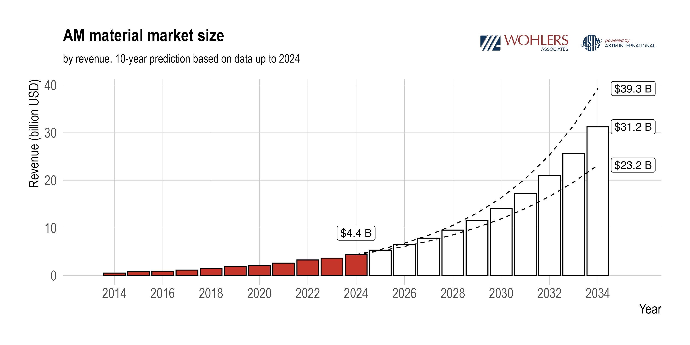
2025 | Low end forecast | Total | $24,854,709,252
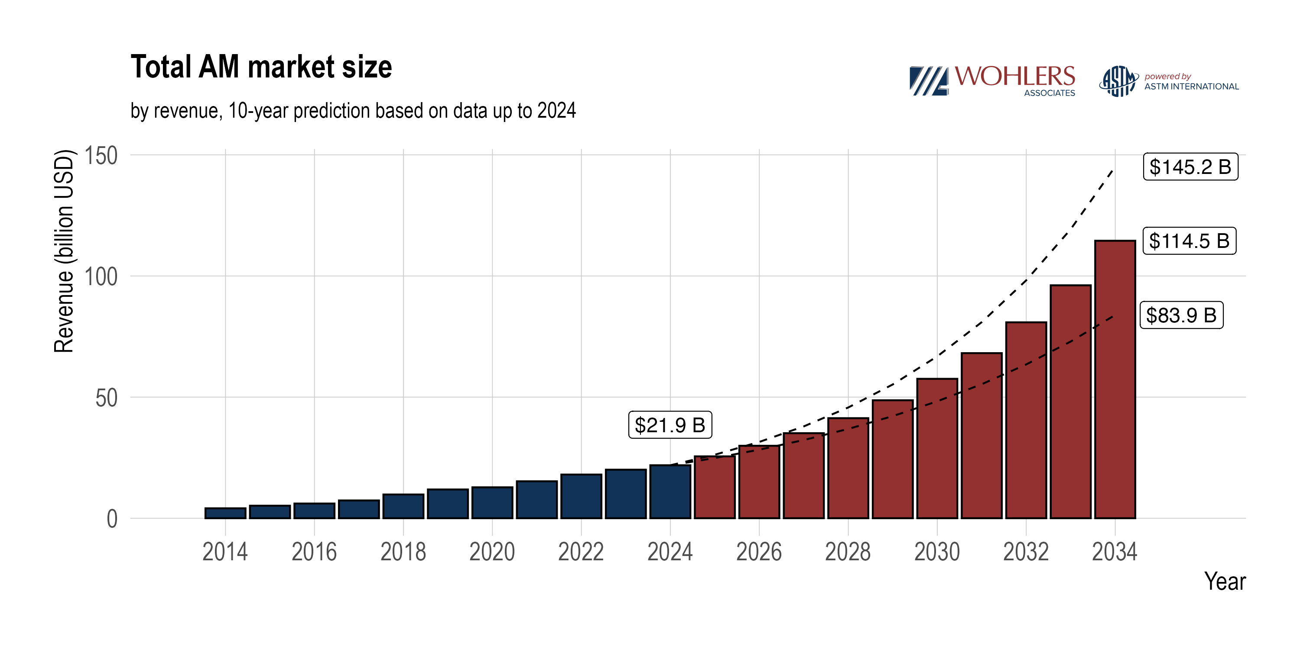
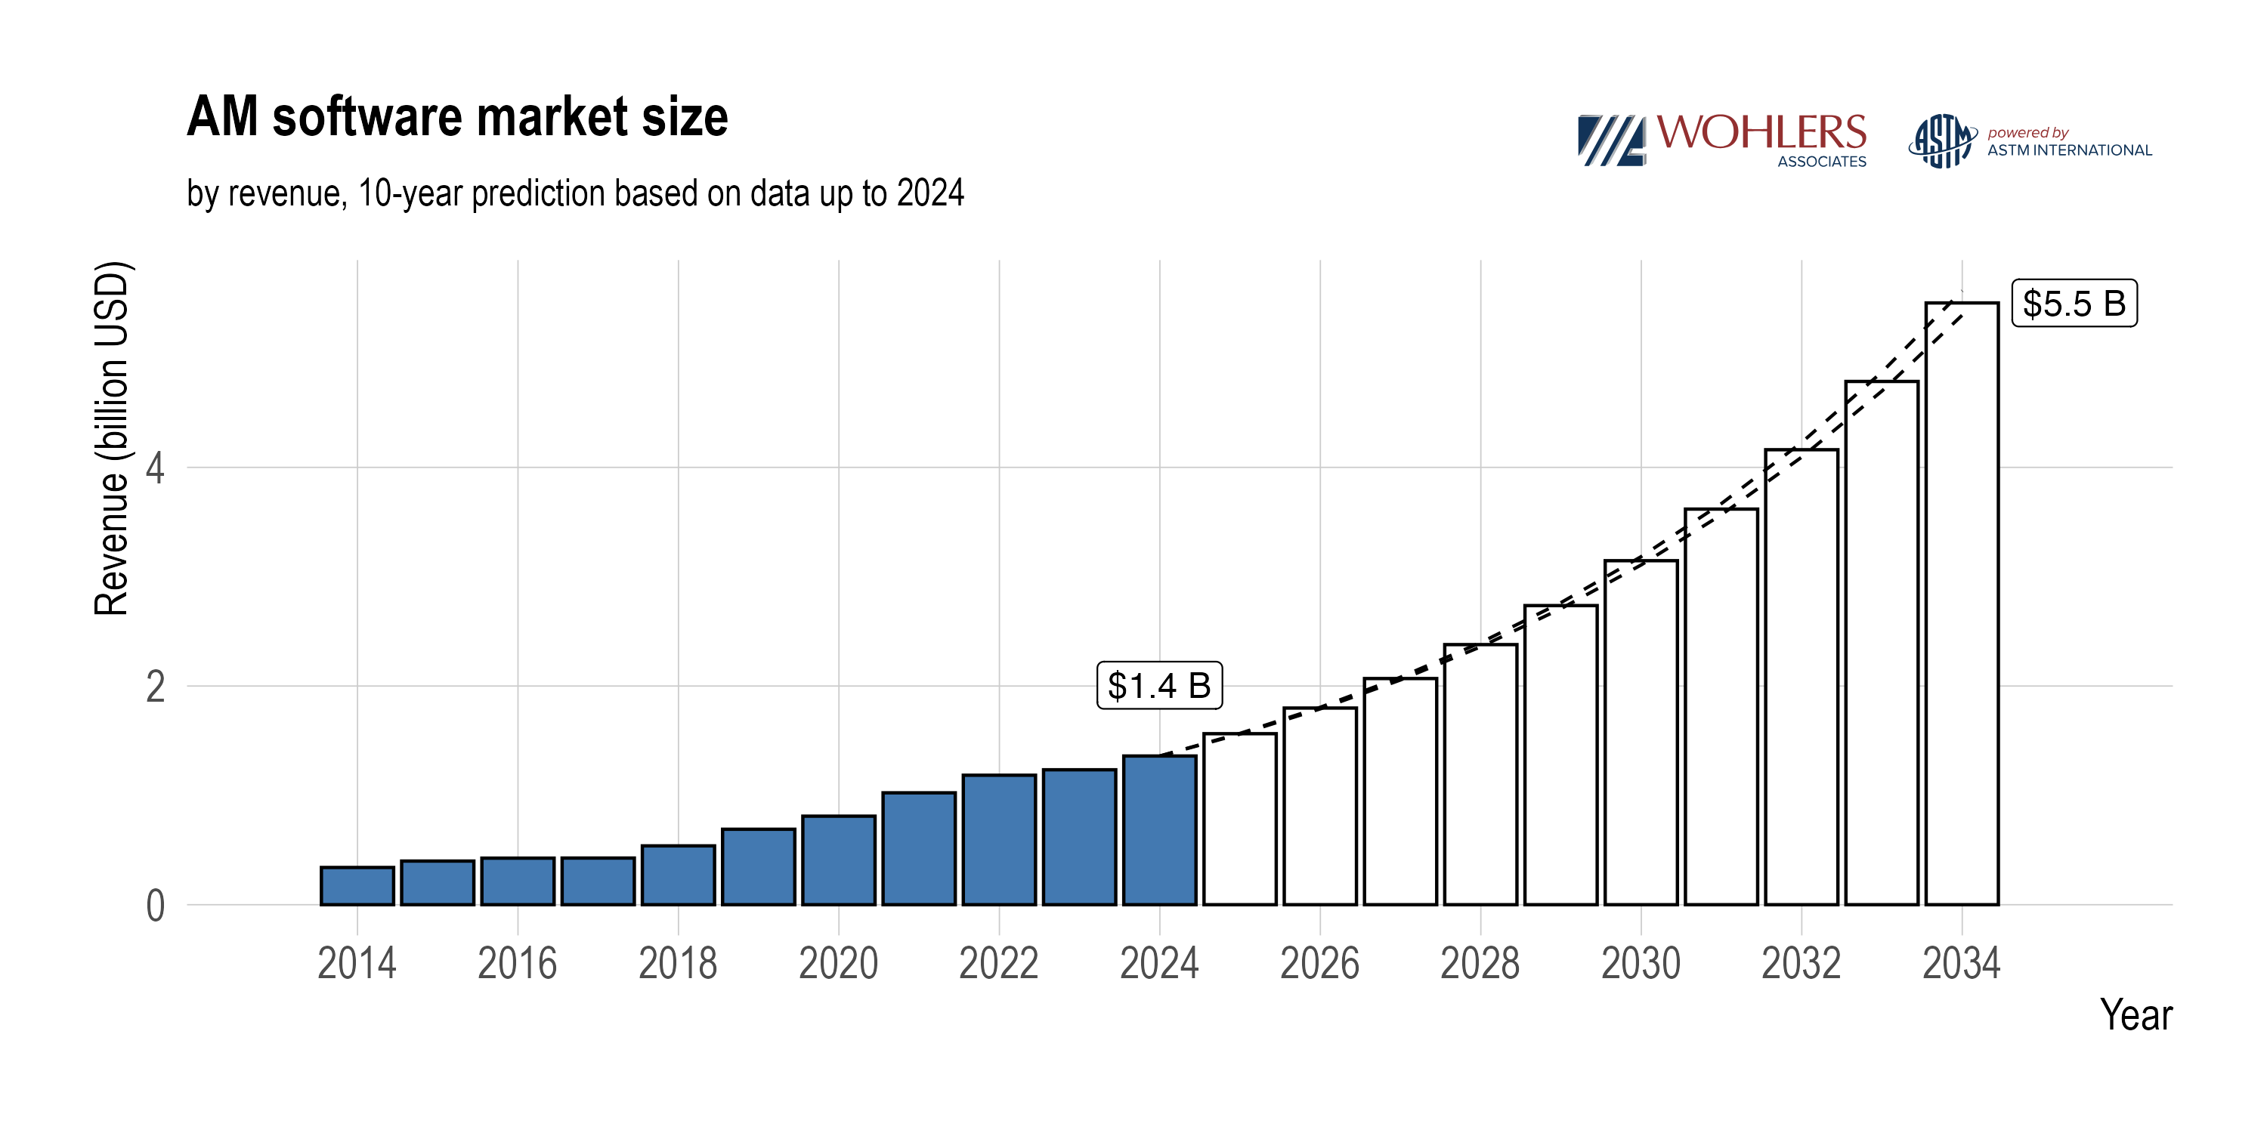
2026 | Low end forecast | Total | $28,306,233,710
2027 | Low end forecast | Total | $32,282,720,332
2028 | Low end forecast | Total | $36,867,940,404
2029 | Low end forecast | Total | $42,159,366,591
2030 | Low end forecast | Total | $48,270,444,916
2031 | Low end forecast | Total | $55,333,246,885
2032 | Low end forecast | Total | $63,501,565,808
2033 | Low end forecast | Total | $72,954,532,246
2034 | Low end forecast | Total | $83,900,836,184
2025 | Average forecast | Total | $25,534,599,304
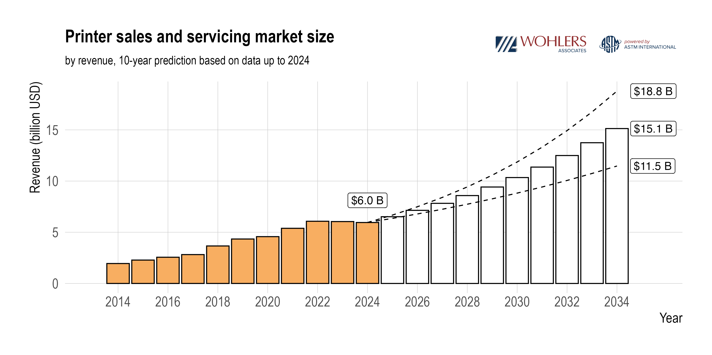
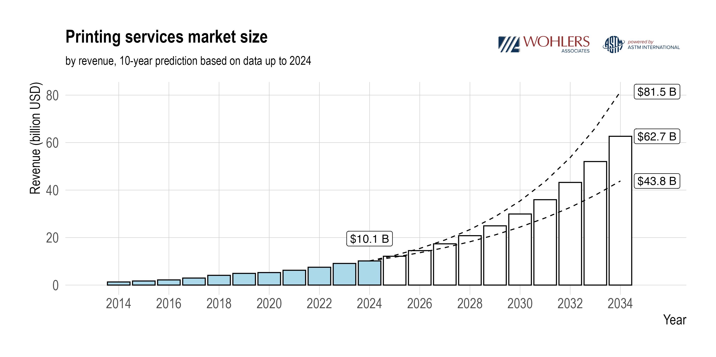
2026 | Average forecast | Total | $29,903,360,875
2027 | Average forecast | Total | $35,101,501,091
2028 | Average forecast | Total | $41,297,506,625
2029 | Average forecast | Total | $48,695,691,332
2030 | Average forecast | Total | $57,544,061,175
2031 | Average forecast | Total | $68,143,945,193
2032 | Average forecast | Total | $80,861,795,517
2033 | Average forecast | Total | $96,143,652,517
2034 | Average forecast | Total | $114,532,885,843
2025 | High end forecast | Total | $26,214,489,356
2026 | High end forecast | Total | $31,500,488,041
2027 | High end forecast | Total | $37,920,281,849
2028 | High end forecast | Total | $45,727,072,846
2029 | High end forecast | Total | $55,232,016,073
2030 | High end forecast | Total | $66,817,677,434
2031 | High end forecast | Total | $80,954,643,501
2032 | High end forecast | Total | $98,222,025,226
2033 | High end forecast | Total | $119,332,772,789
2034 | High end forecast | Total | $145,164,935,501
2014 | Past revenue | Materials | $507,100,000
2015 | Past revenue | Materials | $768,300,000
2016 | Past revenue | Materials | $903,000,000
2017 | Past revenue | Materials | $1,133,700,000
2018 | Past revenue | Materials | $1,494,700,000
2019 | Past revenue | Materials | $1,916,100,000
2020 | Past revenue | Materials | $2,105,200,000
2021 | Past revenue | Materials | $2,598,200,000
2022 | Past revenue | Materials | $3,259,500,000
2023 | Past revenue | Materials | $3,646,800,000
2024 | Past revenue | Materials | $4,379,345,540
2025 | Low end forecast | Materials | $5,173,837,523
2026 | Low end forecast | Materials | $6,112,464,630
2027 | Low end forecast | Materials | $7,221,375,563
2028 | Low end forecast | Materials | $8,531,462,867
2029 | Low end forecast | Materials | $10,079,223,553
2030 | Low end forecast | Materials | $11,907,775,841
2031 | Low end forecast | Materials | $14,068,060,377
2032 | Low end forecast | Materials | $16,620,259,350
2033 | Low end forecast | Materials | $19,635,473,083
2034 | Low end forecast | Materials | $23,197,700,774
2025 | Average forecast | Materials | $5,313,791,700
2026 | Average forecast | Materials | $6,452,098,639
2027 | Average forecast | Materials | $7,839,674,006
2028 | Average forecast | Materials | $9,532,229,811
2029 | Average forecast | Materials | $11,598,158,834
2030 | Average forecast | Materials | $14,121,466,533
2031 | Average forecast | Materials | $17,205,389,759
2032 | Average forecast | Materials | $20,976,864,877
2033 | Average forecast | Materials | $25,592,046,707
2034 | Average forecast | Materials | $31,243,127,877
2025 | High end forecast | Materials | $5,453,745,876
2026 | High end forecast | Materials | $6,791,732,648
2027 | High end forecast | Materials | $8,457,972,448
2028 | High end forecast | Materials | $10,532,996,754
2029 | High end forecast | Materials | $13,117,094,115
2030 | High end forecast | Materials | $16,335,157,224
2031 | High end forecast | Materials | $20,342,719,141
2032 | High end forecast | Materials | $25,333,470,403
2033 | High end forecast | Materials | $31,548,620,330
2034 | High end forecast | Materials | $39,288,554,979
2014 | Past revenue | Software | $340,431,513
2015 | Past revenue | Software | $399,158,427
2016 | Past revenue | Software | $425,923,953
2017 | Past revenue | Software | $426,710,169
2018 | Past revenue | Software | $538,147,737
2019 | Past revenue | Software | $690,126,701
2020 | Past revenue | Software | $809,734,078
2021 | Past revenue | Software | $1,023,379,720
2022 | Past revenue | Software | $1,184,280,527
2023 | Past revenue | Software | $1,234,119,782
2024 | Past revenue | Software | $1,360,000,000
2025 | Low end forecast | Software | $1,560,863,241
2026 | Low end forecast | Software | $1,791,392,690
2027 | Low end forecast | Software | $2,055,969,854
2028 | Low end forecast | Software | $2,359,623,360
2029 | Low end forecast | Software | $2,708,124,534
2030 | Low end forecast | Software | $3,108,097,088
2031 | Low end forecast | Software | $3,567,143,011
2032 | Low end forecast | Software | $4,093,987,061
2033 | Low end forecast | Software | $4,698,642,584
2034 | Low end forecast | Software | $5,392,601,834
2025 | Average forecast | Software | $1,564,025,696
2026 | Average forecast | Software | $1,798,666,455
2027 | Average forecast | Software | $2,068,517,321
2028 | Average forecast | Software | $2,378,863,179
2029 | Average forecast | Software | $2,735,782,341
2030 | Average forecast | Software | $3,146,265,696
2031 | Average forecast | Software | $3,618,353,751
2032 | Average forecast | Software | $4,161,294,261
2033 | Average forecast | Software | $4,785,723,535
2034 | Average forecast | Software | $5,503,874,979
2025 | High end forecast | Software | $1,567,188,150
2026 | High end forecast | Software | $1,805,940,220
2027 | High end forecast | Software | $2,081,064,788
2028 | High end forecast | Software | $2,398,102,997
2029 | High end forecast | Software | $2,763,440,148
2030 | High end forecast | Software | $3,184,434,304
2031 | High end forecast | Software | $3,669,564,490
2032 | High end forecast | Software | $4,228,601,460
2033 | High end forecast | Software | $4,872,804,486
2034 | High end forecast | Software | $5,615,148,125
2014 | Past revenue | Printer sales | $1,948,468,487
2015 | Past revenue | Printer sales | $2,284,541,573
2016 | Past revenue | Printer sales | $2,562,076,047
2017 | Past revenue | Printer sales | $2,820,589,831
2018 | Past revenue | Printer sales | $3,663,152,263
2019 | Past revenue | Printer sales | $4,341,773,299
2020 | Past revenue | Printer sales | $4,573,065,922
2021 | Past revenue | Printer sales | $5,387,420,280
2022 | Past revenue | Printer sales | $6,075,219,473
2023 | Past revenue | Printer sales | $6,046,180,218
2024 | Past revenue | Printer sales | $5,953,372,921
2025 | Low end forecast | Printer sales | $6,356,875,439
2026 | Low end forecast | Printer sales | $6,787,726,198
2027 | Low end forecast | Printer sales | $7,247,778,785
2028 | Low end forecast | Printer sales | $7,739,012,415
2029 | Low end forecast | Printer sales | $8,263,540,449
2030 | Low end forecast | Printer sales | $8,823,619,486
2031 | Low end forecast | Printer sales | $9,421,659,073
2032 | Low end forecast | Printer sales | $10,060,232,065
2033 | Low end forecast | Printer sales | $10,742,085,700
2034 | Low end forecast | Printer sales | $11,470,153,416
2025 | Average forecast | Printer sales | $6,517,602,616
2026 | Average forecast | Printer sales | $7,139,646,323
2027 | Average forecast | Printer sales | $7,825,805,858
2028 | Average forecast | Printer sales | $8,583,100,382
2029 | Average forecast | Printer sales | $9,419,350,362
2030 | Average forecast | Printer sales | $10,343,271,528
2031 | Average forecast | Printer sales | $11,364,580,020
2032 | Average forecast | Printer sales | $12,494,110,087
2033 | Average forecast | Printer sales | $13,743,945,830
2034 | Average forecast | Printer sales | $15,127,568,691
2025 | High end forecast | Printer sales | $6,678,329,793
2026 | High end forecast | Printer sales | $7,491,566,448
2027 | High end forecast | Printer sales | $8,403,832,931
2028 | High end forecast | Printer sales | $9,427,188,350
2029 | High end forecast | Printer sales | $10,575,160,276
2030 | High end forecast | Printer sales | $11,862,923,569
2031 | High end forecast | Printer sales | $13,307,500,967
2032 | High end forecast | Printer sales | $14,927,988,110
2033 | High end forecast | Printer sales | $16,745,805,961
2034 | High end forecast | Printer sales | $18,784,983,965
2014 | Past revenue | Printing services | $1,306,000,000
2015 | Past revenue | Printing services | $1,714,000,000
2016 | Past revenue | Printing services | $2,173,000,000
2017 | Past revenue | Printing services | $2,955,000,000
2018 | Past revenue | Printing services | $4,099,000,000
2019 | Past revenue | Printing services | $4,920,000,000
2020 | Past revenue | Printing services | $5,270,000,000
2021 | Past revenue | Printing services | $6,235,000,000
2022 | Past revenue | Printing services | $7,508,000,000
2023 | Past revenue | Printing services | $9,107,000,000
2024 | Past revenue | Printing services | $10,163,412,000
2025 | Low end forecast | Printing services | $11,763,133,049
2026 | Low end forecast | Printing services | $13,614,650,191
2027 | Low end forecast | Printing services | $15,757,596,131
2028 | Low end forecast | Printing services | $18,237,841,762
2029 | Low end forecast | Printing services | $21,108,478,055
2030 | Low end forecast | Printing services | $24,430,952,501
2031 | Low end forecast | Printing services | $28,276,384,424
2032 | Low end forecast | Printing services | $32,727,087,333
2033 | Low end forecast | Printing services | $37,878,330,879
2034 | Low end forecast | Printing services | $43,840,380,159
2025 | Average forecast | Printing services | $12,139,179,293
2026 | Average forecast | Printing services | $14,512,949,458
2027 | Average forecast | Printing services | $17,367,503,906
2028 | Average forecast | Printing services | $20,803,313,253
2029 | Average forecast | Printing services | $24,942,399,795
2030 | Average forecast | Printing services | $29,933,057,419
2031 | Average forecast | Printing services | $35,955,621,663
2032 | Average forecast | Printing services | $43,229,526,292
2033 | Average forecast | Printing services | $52,021,936,445
2034 | Average forecast | Printing services | $62,658,314,296
2025 | High end forecast | Printing services | $12,515,225,537
2026 | High end forecast | Printing services | $15,411,248,726
2027 | High end forecast | Printing services | $18,977,411,681
2028 | High end forecast | Printing services | $23,368,784,744
2029 | High end forecast | Printing services | $28,776,321,534
2030 | High end forecast | Printing services | $35,435,162,337
2031 | High end forecast | Printing services | $43,634,858,902
2032 | High end forecast | Printing services | $53,731,965,252
2033 | High end forecast | Printing services | $66,165,542,011
2034 | High end forecast | Printing services | $81,476,248,432

Revenue by industry 2024
Industry | Share of revenue (%) | Revenue (USD) | Region | Material
Medical | 11.1 | $2,430,900,000 | Global | All | Data viz
Space | 10.6 | $2,321,400,000 | Global | All | Filters | by region | by Material | by industry
Automotive | 10.3 | $2,255,700,000 | Global | All |  | Americas | Metal
Energy | 8.4 | $1,839,600,000 | Global | All |  | APAC | Polymer
Heavy transportation | 8.3 | $1,817,700,000 | Global | All |  | EMEA
AM service provider | 7.9 | $1,730,100,000 | Global | All
Electronics | 7.2 | $1,576,800,000 | Global | All
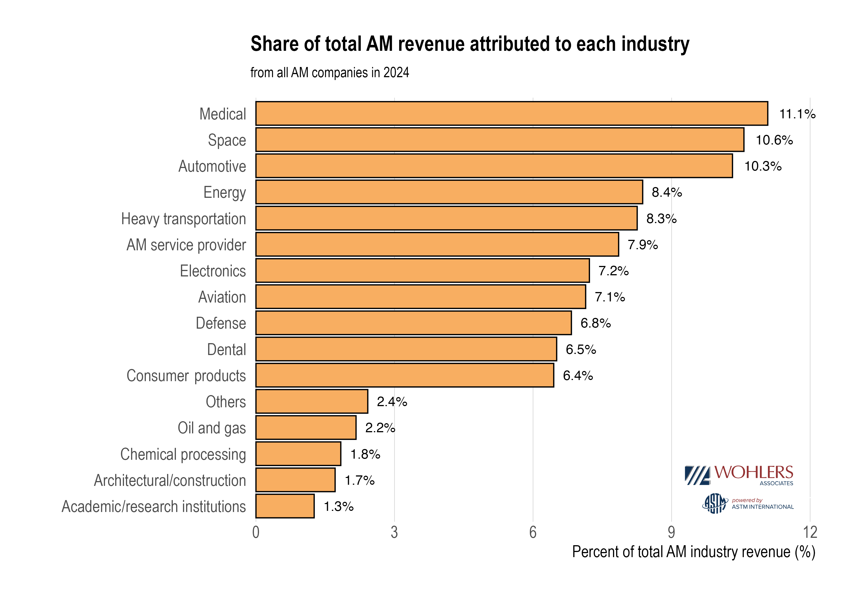
Aviation | 7.1 | $1,554,900,000 | Global | All
Defense | 6.8 | $1,489,200,000 | Global | All
Dental | 6.5 | $1,423,500,000 | Global | All
Consumer Products | 6.4 | $1,401,600,000 | Global | All
Others | 2.4 | $525,600,000 | Global | All
Oil and gas | 2.2 | $481,800,000 | Global | All
Chemical processing | 1.8 | $394,200,000 | Global | All
Architectural/construction | 1.7 | $372,300,000 | Global | All
Academic / research institutions | 1.3 | $284,700,000 | Global | All
Automotive | 14.5062488 |  | Global | Polymer
Heavy transportation | 11.9390492 |  | Global | Polymer
Medical | 9.9484436 |  | Global | Polymer
Space | 9.6315112 |  | Global | Polymer
Energy | 9.5831326 |  | Global | Polymer
AM service provider | 8.5722327 |  | Global | Polymer
Electronics | 8.2976395 |  | Global | Polymer
Consumer products | 7.6428742 |  | Global | Polymer
Aviation | 5.9249176 |  | Global | Polymer
Defense | 3.4815438 |  | Global | Polymer
Others | 2.7812288 |  | Global | Polymer
Architectural / construction | 2.0179929 |  | Global | Polymer
Chemical processing | 1.9245394 |  | Global | Polymer
Academic / research institutions | 1.4560647 |  | Global | Polymer
Dental | 1.3127429 |  | Global | Polymer
Oil and gas | 0.9798381 |  | Global | Polymer
Space | 11.895514 |  | Global | Metal
Energy | 10.694418 |  | Global | Metal
Medical | 10.433484 |  | Global | Metal
Heavy transportation | 9.642088 |  | Global | Metal
Aviation | 8.786033 |  | Global | Metal
Dental | 8.152423 |  | Global | Metal
AM service provider | 7.097246 |  | Global | Metal
Automotive | 6.981344 |  | Global | Metal
Electronics | 6.754745 |  | Global | Metal
Defense | 6.177678 |  | Global | Metal
Consumer products | 5.737916 |  | Global | Metal
Others | 1.951976 |  | Global | Metal
Oil and gas | 1.710826 |  | Global | Metal
Chemical processing | 1.384393 |  | Global | Metal
Architectural / construction | 1.322601 |  | Global | Metal
Academic / research institutions | 1.277315 |  | Global | Metal

Print services Pricing data
Company name | Material type | Material | Process | Quantity | Manufacturing cost | Shipping cost | Day ordered | Delivery date | Lead time | Country | Scattered plot with manufacturing cost vs delivery time
Quickparts | Polymer | ABS | VPP | 1 | 172.93 |  | 2025-07-18 | 2025-07-23 | 5 | U.S. | Filters by Country, Process, Material, Production type (1 unit vs 1K units)
Quickparts | Polymer | ABS | VPP | 1 | 157.21 |  | 2025-07-18 | 2025-07-25 | 7 | U.S.
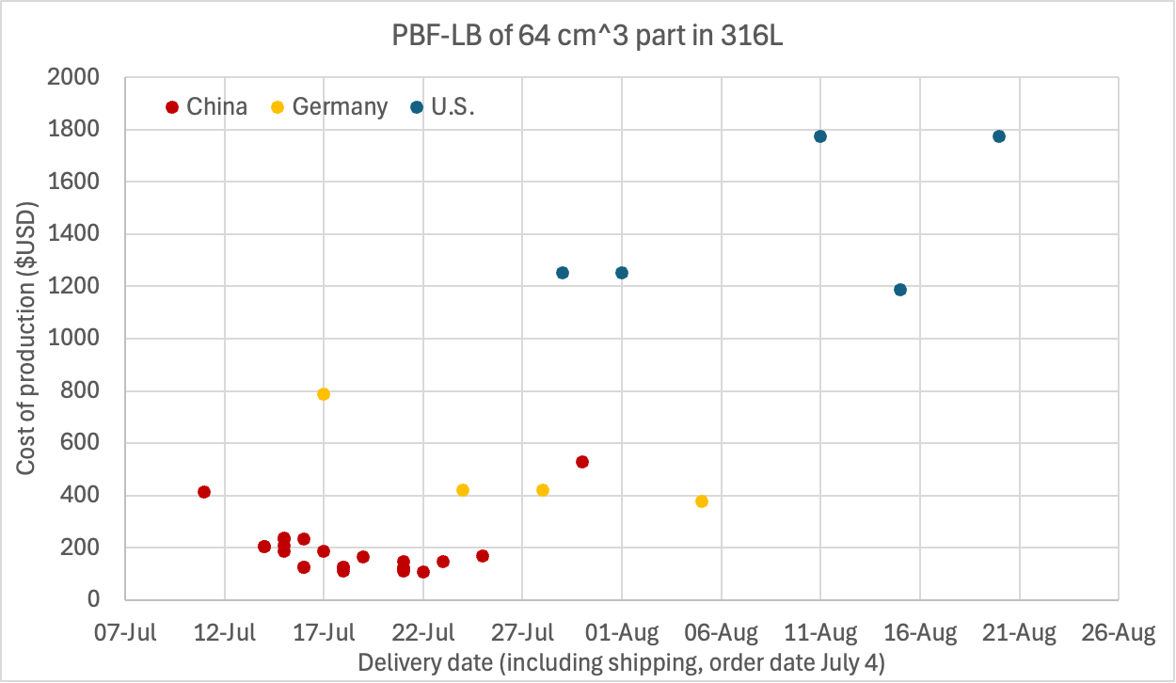
Quickparts | Polymer | ABS | VPP | 1 | 370.49 |  | 2025-07-18 | 2025-07-19 | 1 | U.S.
Quickparts | Polymer | ABS | VPP | 1 | 406.98 |  | 2025-07-18 | 2025-07-18 | 0 | U.S.
Quickparts | Polymer | PP | VPP | 1 | 172.93 |  | 2025-07-18 | 2025-07-23 | 5 | U.S.
Quickparts | Polymer | PP | VPP | 1 | 157.21 |  | 2025-07-18 | 2025-07-25 | 7 | U.S.
Quickparts | Polymer | PP | VPP | 1 | 370.49 |  | 2025-07-18 | 2025-07-19 | 1 | U.S.
Quickparts | Polymer | PP | VPP | 1 | 406.98 |  | 2025-07-18 | 2025-07-18 | 0 | U.S.
Quickparts | Polymer | PC | VPP | 1 | 172.93 |  | 2025-07-18 | 2025-07-23 | 5 | U.S.
Quickparts | Polymer | PC | VPP | 1 | 190.22 |  | 2025-07-18 | 2025-07-25 | 7 | U.S.
Quickparts | Polymer | Nylon | PBF-LB | 1 | 95.39 |  | 2025-07-18 | 2025-07-25 | 7 | U.S.
Quickparts | Polymer | Nylon | PBF-LB | 1 | 86.72 |  | 2025-07-18 | 2025-07-27 | 9 | U.S.
Quickparts | Metal | Titanium | PBF-LB | 1 | 1555.14 |  | 2025-07-18 | 2025-07-30 | 12 | U.S.
Quickparts | Metal | Titanium | PBF-LB | 1 | 1399.62 |  | 2025-07-18 | 2025-08-02 | 15 | U.S.
Quickparts | Metal | Aluminum | PBF-LB | 1 | 502.79 |  | 2025-07-18 | 2025-07-30 | 12 | U.S.
Quickparts | Polymer | Aluminum | PBF-LB | 1 | 437.21 |  | 2025-07-18 | 2025-08-02 | 15 | U.S.
Quickparts | Polymer | 316L | PBF-LB | 1 | 1088.58 |  | 2025-07-18 | 2025-07-30 | 12 | U.S.
Quickparts | Polymer | 316L | PBF-LB | 1 | 979.73 |  | 2025-07-18 | 2025-08-02 | 15 | U.S.
Shapeways | Metal | 316L | BJT | 1 | 377.03 | 24.96 | 2025-07-02 | 2025-08-22 | 51 | Netherlands
Facfox (Hangzhou Chizha Technology Co., Ltd.) | Metal | 316L | PBF-LB | 1 | 211.2 | 34.99 | 2025-07-02 | 2025-07-27 | 25 | China
AOL Precision Mfg (via CraftCloud) | Metal | 316L | PBF-LB | 1 | 1773.33 | 48.75 | 2025-07-02 | 2025-08-07 | 36 | U.S.
AOL Precision Mfg (via CraftCloud) | Metal | Aluminum | PBF-LB | 1 | 853.16 | 48.75 | 2025-07-02 | 2025-08-07 | 36 | U.S.
AOL Precision Mfg (via CraftCloud) | Metal | Titanium | PBF-LB | 1 | 3377.73 | 48.75 | 2025-07-02 | 2025-08-07 | 36 | U.S.
AOL Precision Mfg (via CraftCloud) | Metal | Inconel 718 | PBF-LB | 1 | 5785.07 | 48.75 | 2025-07-02 | 2025-08-07 | 36 | U.S.
Smart Factory (via CraftCloud) | Metal | Titanium | PBF-LB | 1 | 4133.38 | 100.63 | 2025-07-02 | 2025-07-28 | 26 | Lithuania
Shenzhen 3D Innovate | Metal | Inconel 718 | PBF-LB | 1 | 656.06 | 26 | 2025-07-04 | 2025-07-21 | 17 | China
Shenzhen 3D Innovate | Metal | Inconel 718 | PBF-LB | 1 | 676.31 | 34.13 | 2025-07-04 | 2025-07-18 | 14 | China
3DPnxt | Metal | Inconel 718 | PBF-LB | 1 | 735.38 | 19.5 | 2025-07-04 | 2025-07-22 | 18 | China
3DPnxt | Metal | Inconel 718 | PBF-LB | 1 | 735.38 | 30.88 | 2025-07-04 | 2025-07-18 | 14 | China
KleRo GmbH | Metal | Inconel 718 | PBF-LB | 1 | 737.81 | 80.51 | 2025-07-04 | 2025-08-05 | 32 | Germany
KleRo GmbH | Metal | Inconel 718 | PBF-LB | 1 | 819.6 | 90.58 | 2025-07-04 | 2025-07-31 | 27 | Germany
IN3DTEC | Metal | Inconel 718 | PBF-LB | 1 | 1098.34 | 32.5 | 2025-07-04 | 2025-07-16 | 12 | China
3DPnxt | Metal | Aluminum | PBF-LB | 1 | 79.3 | 19.5 | 2025-07-04 | 2025-07-21 | 17 | China
ProtoTi | Metal | Aluminum | PBF-LB | 1 | 80.09 | 19.5 | 2025-07-04 | 2025-07-21 | 17 | China
3DPnxt | Metal | Aluminum | PBF-LB | 1 | 81.3 | 19.5 | 2025-07-04 | 2025-07-18 | 14 | China
ProtoTi | Metal | Aluminum | PBF-LB | 1 | 82.52 | 19.5 | 2025-07-04 | 2025-07-18 | 14 | China
Shenzhen 3D Innovate | Metal | Aluminum | PBF-LB | 1 | 79.5 | 26 | 2025-07-04 | 2025-07-22 | 18 | China
3DPnxt | Metal | Aluminum | PBF-LB | 1 | 81.3 | 30.88 | 2025-07-04 | 2025-07-16 | 12 | China
3DSPRO Limited | Metal | Aluminum | PBF-LB | 1 | 92.82 | 32.5 | 2025-07-04 | 2025-07-23 | 19 | China
Unionfab | Metal | Aluminum | PBF-LB | 1 | 99.84 | 27.63 | 2025-07-04 | 2025-07-15 | 11 | China
IN3DTEC | Metal | Aluminum | PBF-LB | 1 | 127.37 | 22.1 | 2025-07-04 | 2025-07-17 | 13 | China
GLINK TECHNOLOGY | Metal | Aluminum | PBF-LB | 1 | 125.07 | 30.88 | 2025-07-04 | 2025-07-15 | 11 | China
zone3Dplus | Metal | Aluminum | PBF-LB | 1 | 139.15 | 26 | 2025-07-04 | 2025-07-16 | 12 | China
szmake3d | Metal | Aluminum | PBF-LB | 1 | 142.74 | 27.63 | 2025-07-04 | 2025-07-15 | 11 | China
AppVest Intelligent Manufacturing | Metal | Aluminum | PBF-LB | 1 | 605.45 | 54.35 | 2025-07-04 | 2025-07-21 | 17 | Turkey
PrecisionHub 3D Labs | Metal | Aluminum | PBF-LB | 1 | 1188.56 | 6.34 | 2025-07-04 | 2025-08-15 | 42 | U.S.
PrecisionHub 3D Labs | Metal | Aluminum | PBF-LB | 1 | 1251.03 | 6.34 | 2025-07-04 | 2025-08-01 | 28 | U.S.
PrecisionHub 3D Labs | Metal | Aluminum | PBF-LB | 1 | 1251.03 | 48.92 | 2025-07-04 | 2025-07-29 | 25 | U.S.
ProtoTi | Metal | Titanium | PBF-LB | 1 | 328.12 | 19.5 | 2025-07-04 | 2025-07-22 | 18 | China
Shenzhen 3D Innovate | Metal | Titanium | PBF-LB | 1 | 327.99 | 26 | 2025-07-04 | 2025-07-22 | 18 | China
ProtoTi | Metal | Titanium | PBF-LB | 1 | 334.79 | 19.5 | 2025-07-04 | 2025-07-21 | 17 | China
Shenzhen 3D Innovate | Metal | Titanium | PBF-LB | 1 | 338.08 | 26 | 2025-07-04 | 2025-07-21 | 17 | China
ProtoTi | Metal | Titanium | PBF-LB | 1 | 334.79 | 30.88 | 2025-07-04 | 2025-07-17 | 13 | China
Shenzhen 3D Innovate | Metal | Titanium | PBF-LB | 1 | 338.08 | 34.13 | 2025-07-04 | 2025-07-18 | 14 | China
3DPnxt | Metal | Titanium | PBF-LB | 1 | 398.1 | 19.5 | 2025-07-04 | 2025-07-22 | 18 | China
3DPnxt | Metal | Titanium | PBF-LB | 1 | 404.14 | 19.5 | 2025-07-04 | 2025-07-21 | 17 | China
3DPnxt | Metal | Titanium | PBF-LB | 1 | 404.14 | 30.88 | 2025-07-04 | 2025-07-17 | 13 | China
IN3DTEC | Metal | Titanium | PBF-LB | 1 | 557.31 | 22.1 | 2025-07-04 | 2025-07-18 | 14 | China
IN3DTEC | Metal | Titanium | PBF-LB | 1 | 557.31 | 32.5 | 2025-07-04 | 2025-07-16 | 12 | China
3DSPRO Limited | Metal | Titanium | PBF-LB | 1 | 567.92 | 32.5 | 2025-07-04 | 2025-07-23 | 19 | China
3DSPRO Limited | Metal | Titanium | PBF-LB | 1 | 567.92 | 40.63 | 2025-07-04 | 2025-07-21 | 17 | China
GLINK TECHNOLOGY | Metal | Titanium | PBF-LB | 1 | 701.47 | 30.88 | 2025-07-04 | 2025-07-21 | 17 | China
Unionfab | Metal | Titanium | PBF-LB | 1 | 925.39 | 27.63 | 2025-07-04 | 2025-07-16 | 12 | China
zone3Dplus | Metal | Titanium | PBF-LB | 1 | 1164.54 | 27.63 | 2025-07-04 | 2025-07-16 | 12 | China
szmake3d | Metal | Titanium | PBF-LB | 1 | 1188.38 | 27.63 | 2025-07-04 | 2025-07-22 | 18 | China
Unionfab | Metal | Titanium | PBF-LB | 1 | 1849.22 | 27.63 | 2025-07-04 | 2025-07-11 | 7 | China
FlyInn Tech | Metal | Titanium | PBF-LB | 1 | 2118.84 | 48.75 | 2025-07-04 | 2025-07-30 | 26 | China
AOL Precision Mfg | Metal | Titanium | PBF-LB | 1 | 3377.73 | 48.75 | 2025-07-04 | 2025-08-11 | 38 | U.S.
Smart Factory | Metal | Titanium | PBF-LB | 1 | 4032.98 | 100.63 | 2025-07-04 | 2025-07-30 | 26 | Lithuania
Shenzhen 3D Innovate | Metal | 316L | PBF-LB | 1 | 106.18 | 26 | 2025-07-04 | 2025-07-22 | 18 | China
Shenzhen 3D Innovate | Metal | 316L | PBF-LB | 1 | 109.41 | 26 | 2025-07-04 | 2025-07-21 | 17 | China
ProtoTi | Metal | 316L | PBF-LB | 1 | 119.59 | 19.5 | 2025-07-04 | 2025-07-21 | 17 | China
3DPnxt | Metal | 316L | PBF-LB | 1 | 122.07 | 19.5 | 2025-07-04 | 2025-07-21 | 17 | China
ProtoTi | Metal | 316L | PBF-LB | 1 | 123.24 | 19.5 | 2025-07-04 | 2025-07-18 | 14 | China
Shenzhen 3D Innovate | Metal | 316L | PBF-LB | 1 | 109.41 | 34.13 | 2025-07-04 | 2025-07-18 | 14 | China
3DPnxt | Metal | 316L | PBF-LB | 1 | 125.16 | 19.5 | 2025-07-04 | 2025-07-18 | 14 | China
ProtoTi | Metal | 316L | PBF-LB | 1 | 123.24 | 30.88 | 2025-07-04 | 2025-07-16 | 12 | China
3DPnxt | Metal | 316L | PBF-LB | 1 | 125.16 | 30.88 | 2025-07-04 | 2025-07-16 | 12 | China
M Aerospace RTC | Metal | 316L | PBF-LB | 1 | 164.29 | 13.82 | 2025-07-04 | 2025-07-25 | 21 | Mexico
3DSPRO Limited | Metal | 316L | PBF-LB | 1 | 147.07 | 32.5 | 2025-07-04 | 2025-07-23 | 19 | China
3DSPRO Limited | Metal | 316L | PBF-LB | 1 | 147.07 | 40.63 | 2025-07-04 | 2025-07-21 | 17 | China
IN3DTEC | Metal | 316L | PBF-LB | 1 | 185.72 | 22.1 | 2025-07-04 | 2025-07-17 | 13 | China
IN3DTEC | Metal | 316L | PBF-LB | 1 | 185.72 | 32.5 | 2025-07-04 | 2025-07-15 | 11 | China
FacFox | Metal | 316L | PBF-LB | 1 | 164.68 | 56.88 | 2025-07-04 | 2025-07-19 | 15 | China
FacFox | Metal | 316L | PBF-LB | 1 | 166.32 | 56.88 | 2025-07-04 | 2025-07-25 | 21 | China
szmake3d | Metal | 316L | PBF-LB | 1 | 204.36 | 32.5 | 2025-07-04 | 2025-07-14 | 10 | China
szmake3d | Metal | 316L | PBF-LB | 1 | 204.36 | 35.75 | 2025-07-04 | 2025-07-14 | 10 | China
Unionfab | Metal | 316L | PBF-LB | 1 | 206.96 | 35.75 | 2025-07-04 | 2025-07-15 | 11 | China
GLINK TECHNOLOGY | Metal | 316L | PBF-LB | 1 | 236.81 | 30.88 | 2025-07-04 | 2025-07-15 | 11 | China
zone3Dplus | Metal | 316L | PBF-LB | 1 | 231.61 | 39 | 2025-07-04 | 2025-07-16 | 12 | China
zone3Dplus | Metal | 316L | PBF-LB | 1 | 231.61 | 79.63 | 2025-07-04 | 2025-07-15 | 11 | China
Unionfab | Metal | 316L | PBF-LB | 1 | 412.36 | 35.75 | 2025-07-04 | 2025-07-11 | 7 | China
KleRo GmbH | Metal | 316L | PBF-LB | 1 | 377.8 | 80.37 | 2025-07-04 | 2025-08-05 | 32 | Germany
KleRo GmbH | Metal | 316L | PBF-LB | 1 | 419.59 | 80.37 | 2025-07-04 | 2025-07-28 | 24 | Germany
KleRo GmbH | Metal | 316L | PBF-LB | 1 | 419.59 | 90.43 | 2025-07-04 | 2025-07-24 | 20 | Germany
FlyInn Tech | Metal | 316L | PBF-LB | 1 | 529.04 | 48.75 | 2025-07-04 | 2025-07-30 | 26 | China
KleRo GmbH | Metal | 316L | PBF-LB | 1 | 787.71 | 90.43 | 2025-07-04 | 2025-07-17 | 13 | Germany
PrecisionHub 3D Labs | Metal | 316L | PBF-LB | 1 | 1188.56 | 7.8 | 2025-07-04 | 2025-08-15 | 42 | U.S.
PrecisionHub 3D Labs | Metal | 316L | PBF-LB | 1 | 1251.03 | 7.8 | 2025-07-04 | 2025-08-01 | 28 | U.S.
PrecisionHub 3D Labs | Metal | 316L | PBF-LB | 1 | 1251.03 | 48.92 | 2025-07-04 | 2025-07-29 | 25 | U.S.
AOL Precision Mfg | Metal | 316L | PBF-LB | 1 | 1773.33 | 48.75 | 2025-07-04 | 2025-08-20 | 47 | U.S.
AOL Precision Mfg | Metal | 316L | PBF-LB | 1 | 1773.51 | 48.75 | 2025-07-04 | 2025-08-11 | 38 | U.S.
ProtoTi | Metal | PH17-4 | PBF-LB | 1 | 159.76 | 19.5 | 2025-07-04 | 2025-07-22 | 18 | China
3DPnxt | Metal | PH17-4 | PBF-LB | 1 | 159.94 | 19.5 | 2025-07-04 | 2025-07-22 | 18 | China
3DPnxt | Metal | PH17-4 | PBF-LB | 1 | 162.34 | 19.5 | 2025-07-04 | 2025-07-21 | 17 | China
ProtoTi | Metal | PH17-4 | PBF-LB | 1 | 162.99 | 19.5 | 2025-07-04 | 2025-07-21 | 17 | China
Shenzhen 3D Innovate | Metal | PH17-4 | PBF-LB | 1 | 156.7 | 26 | 2025-07-04 | 2025-07-22 | 18 | China
Shenzhen 3D Innovate | Metal | PH17-4 | PBF-LB | 1 | 161.5 | 26 | 2025-07-04 | 2025-07-21 | 17 | China
3DPnxt | Metal | PH17-4 | PBF-LB | 1 | 162.34 | 30.88 | 2025-07-04 | 2025-07-17 | 13 | China
ProtoTi | Metal | PH17-4 | PBF-LB | 1 | 162.99 | 30.88 | 2025-07-04 | 2025-07-17 | 13 | China
Shenzhen 3D Innovate | Metal | PH17-4 | PBF-LB | 1 | 161.5 | 34.13 | 2025-07-04 | 2025-07-18 | 14 | China
Unionfab | Metal | PH17-4 | PBF-LB | 1 | 223.25 | 35.75 | 2025-07-04 | 2025-07-15 | 11 | China
3DSPRO Limited | Metal | PH17-4 | PBF-LB | 1 | 302.95 | 32.5 | 2025-07-04 | 2025-07-23 | 19 | Hong Kong
3DSPRO Limited | Metal | PH17-4 | PBF-LB | 1 | 302.95 | 40.63 | 2025-07-04 | 2025-07-21 | 17 | Hong Kong
IN3DTEC | Metal | PH17-4 | PBF-LB | 1 | 361 | 22.1 | 2025-07-04 | 2025-07-17 | 13 | China
IN3DTEC | Metal | PH17-4 | PBF-LB | 1 | 361 | 32.5 | 2025-07-04 | 2025-07-15 | 11 | China
zone3Dplus | Metal | PH17-4 | PBF-LB | 1 | 359.32 | 39 | 2025-07-04 | 2025-07-16 | 12 | China
zone3Dplus | Metal | PH17-4 | PBF-LB | 1 | 359.32 | 79.63 | 2025-07-04 | 2025-07-15 | 11 | China
Unionfab | Metal | PH17-4 | PBF-LB | 1 | 444.93 | 35.75 | 2025-07-04 | 2025-07-11 | 7 | China
AppVest Intelligent Manufacturing | Metal | PH17-4 | PBF-LB | 1 | 604.45 | 54.26 | 2025-07-04 | 2025-08-04 | 31 | Turkey
AOL Precision Mfg | Metal | PH17-4 | PBF-LB | 1 | 2595.52 | 48.75 | 2025-07-04 | 2025-08-20 | 47 | U.S.
AOL Precision Mfg | Metal | PH17-4 | PBF-LB | 1 | 2595.78 | 48.75 | 2025-07-04 | 2025-08-11 | 38 | U.S.
Shenzhen 3D Innovate | Metal | Maraging steel | PBF-LB | 1 | 190.58 | 26 | 2025-07-04 | 2025-07-22 | 18 | China
ProtoTi | Metal | Maraging steel | PBF-LB | 1 | 200.51 | 19.5 | 2025-07-04 | 2025-07-22 | 18 | China
3DPnxt | Metal | Maraging steel | PBF-LB | 1 | 200.98 | 19.5 | 2025-07-04 | 2025-07-21 | 17 | China
Shenzhen 3D Innovate | Metal | Maraging steel | PBF-LB | 1 | 196.43 | 26 | 2025-07-04 | 2025-07-21 | 17 | China
ProtoTi | Metal | Maraging steel | PBF-LB | 1 | 204.57 | 19.5 | 2025-07-04 | 2025-07-21 | 17 | China
3DPnxt | Metal | Maraging steel | PBF-LB | 1 | 206.1 | 19.5 | 2025-07-04 | 2025-07-18 | 14 | China
Shenzhen 3D Innovate | Metal | Maraging steel | PBF-LB | 1 | 196.43 | 34.13 | 2025-07-04 | 2025-07-18 | 14 | China
ProtoTi | Metal | Maraging steel | PBF-LB | 1 | 204.57 | 30.88 | 2025-07-04 | 2025-07-17 | 13 | China
3DPnxt | Metal | Maraging steel | PBF-LB | 1 | 206.1 | 30.88 | 2025-07-04 | 2025-07-16 | 12 | China
szmake3d | Metal | Maraging steel | PBF-LB | 1 | 248.73 | 32.5 | 2025-07-04 | 2025-07-16 | 12 | China
szmake3d | Metal | Maraging steel | PBF-LB | 1 | 248.73 | 35.75 | 2025-07-04 | 2025-07-16 | 12 | China
IN3DTEC | Metal | Maraging steel | PBF-LB | 1 | 280.01 | 22.1 | 2025-07-04 | 2025-07-18 | 14 | China
IN3DTEC | Metal | Maraging steel | PBF-LB | 1 | 280.01 | 32.5 | 2025-07-04 | 2025-07-16 | 12 | China
Unionfab | Metal | Maraging steel | PBF-LB | 1 | 313.22 | 35.75 | 2025-07-04 | 2025-07-16 | 12 | China
3DSPRO Limited | Metal | Maraging steel | PBF-LB | 1 | 344.81 | 32.5 | 2025-07-04 | 2025-07-23 | 19 | Hong Kong
3DSPRO Limited | Metal | Maraging steel | PBF-LB | 1 | 344.81 | 40.63 | 2025-07-04 | 2025-07-21 | 17 | Hong Kong
KleRo GmbH | Metal | Maraging steel | PBF-LB | 1 | 505.11 | 80.37 | 2025-07-04 | 2025-08-05 | 32 | Germany
KleRo GmbH | Metal | Maraging steel | PBF-LB | 1 | 561.05 | 80.37 | 2025-07-04 | 2025-07-28 | 24 | Germany
KleRo GmbH | Metal | Maraging steel | PBF-LB | 1 | 561.05 | 90.43 | 2025-07-04 | 2025-07-24 | 20 | Germany
KleRo GmbH | Metal | Maraging steel | PBF-LB | 1 | 985.75 | 90.43 | 2025-07-04 | 2025-07-17 | 13 | Germany
FlyInn Tech | Metal | Maraging steel | PBF-LB | 1 | 1073.45 | 48.75 | 2025-07-04 | 2025-07-30 | 26 | China
AOL Precision Mfg | Metal | Maraging steel | PBF-LB | 1 | 5711.55 | 48.75 | 2025-07-04 | 2025-08-20 | 47 | U.S.
AOL Precision Mfg | Metal | Maraging steel | PBF-LB | 1 | 5712.12 | 48.75 | 2025-07-04 | 2025-08-11 | 38 | U.S.
Unionfab | Metal | 316L | BJT | 1 | 132.83 | 35.75 | 2025-07-05 | 2025-07-18 | 13 | China
szmake3d | Metal | 316L | BJT | 1 | 365.56 | 32.5 | 2025-07-05 | 2025-07-16 | 11 | China
szmake3d | Metal | 316L | BJT | 1 | 365.56 | 35.75 | 2025-07-05 | 2025-07-16 | 11 | China
FacFox | Metal | Brass | AM-LWC | 1 | 1329.59 | 56.88 | 2025-07-05 | 2025-08-19 | 45 | China
FacFox | Metal | Brass | AM-LWC | 1 | 1343 | 56.88 | 2025-07-05 | 2025-07-25 | 20 | China
Shenzhen 3D Innovate | Metal | Brass | AM-LWC | 1 | 1396.3 | 26 | 2025-07-05 | 2025-07-25 | 20 | China
3D Print India | Metal | Brass | AM-LWC | 1 | 1405.56 | 37.38 | 2025-07-05 | 2025-07-29 | 24 | India
Shenzhen 3D Innovate | Metal | Brass | AM-LWC | 1 | 1439.44 | 26 | 2025-07-05 | 2025-07-23 | 18 | China
Shenzhen 3D Innovate | Metal | Brass | AM-LWC | 1 | 1439.44 | 34.13 | 2025-07-05 | 2025-07-22 | 17 | China
3D Print India | Metal | Bronze | AM-LWC | 1 | 1405.56 | 37.38 | 2025-07-05 | 2025-07-29 | 24 | India
Shenzhen 3D Innovate | Metal | Bronze | PBF-LB | 1 | 1448.47 | 26 | 2025-07-05 | 2025-07-25 | 20 | China
Shenzhen 3D Innovate | Metal | Bronze | PBF-LB | 1 | 1493.23 | 26 | 2025-07-05 | 2025-07-23 | 18 | China
Shenzhen 3D Innovate | Metal | Bronze | PBF-LB | 1 | 1493.23 | 34.13 | 2025-07-05 | 2025-07-22 | 17 | China
Cheetah Farms LLC | Metal | Gold | AM-LWC | 1 | 129785.7 | 40.63 | 2025-07-05 | 2025-07-18 | 13 | U.S.
Cheetah Farms LLC | Metal | Gold | AM-LWC | 1 | 129785.7 | 113.75 | 2025-07-05 | 2025-07-17 | 12 | U.S.
Shenzhen 3D Innovate | Metal | Copper | AM-LWC | 1 | 1599.26 | 26 | 2025-07-06 | 2025-07-25 | 19 | China
Shenzhen 3D Innovate | Metal | Copper | AM-LWC | 1 | 1648.67 | 26 | 2025-07-06 | 2025-07-23 | 17 | China
Shenzhen 3D Innovate | Metal | Copper | AM-LWC | 1 | 1648.67 | 34.13 | 2025-07-06 | 2025-07-22 | 16 | China
Zelta 3D | Polymer | PA12 | PBF-IR | 1 | 8.11 | 37.38 | 2025-07-07 | 2025-07-24 | 17 | Singapore
Zelta 3D | Polymer | PA12 | PBF-IR | 1 | 9.75 | 37.38 | 2025-07-07 | 2025-07-18 | 11 | Singapore
ProtoTi | Polymer | PA12 | PBF-IR | 1 | 32.44 | 19.5 | 2025-07-07 | 2025-07-21 | 14 | China
3D Print India | Polymer | PA12 | PBF-IR | 1 | 17.81 | 37.38 | 2025-07-07 | 2025-07-18 | 11 | India
3DPnxt | Polymer | PA12 | PBF-IR | 1 | 42.19 | 19.5 | 2025-07-07 | 2025-07-17 | 10 | China
szmake3d | Polymer | PA12 | PBF-IR | 1 | 34.06 | 27.63 | 2025-07-07 | 2025-07-15 | 8 | China
ProtoTi | Polymer | PA12 | PBF-IR | 1 | 32.44 | 30.88 | 2025-07-07 | 2025-07-17 | 10 | China
JawsTec | Polymer | PA12 | PBF-IR | 1 | 52.04 | 12.19 | 2025-07-07 | 2025-07-17 | 10 | U.S.
IN3DTEC | Polymer | PA12 | PBF-IR | 1 | 42.59 | 22.1 | 2025-07-07 | 2025-07-18 | 11 | China
GLINK TECHNOLOGY | Polymer | PA12 | PBF-IR | 1 | 34.06 | 30.88 | 2025-07-07 | 2025-07-15 | 8 | China
GLINK TECHNOLOGY | Polymer | PA12 | PBF-IR | 1 | 35.17 | 30.88 | 2025-07-07 | 2025-07-14 | 7 | China
Unionfab | Polymer | PA12 | PBF-IR | 1 | 42.19 | 27.63 | 2025-07-07 | 2025-07-15 | 8 | China
3DSPRO Limited | Polymer | PA12 | PBF-IR | 1 | 38.94 | 32.5 | 2025-07-07 | 2025-07-24 | 17 | Hong Kong
M Aerospace RTC | Polymer | PA12 | PBF-IR | 1 | 59.23 | 13.82 | 2025-07-07 | 2025-07-30 | 23 | Mexico
3DPnxt | Polymer | PA12 | PBF-IR | 1 | 42.19 | 30.88 | 2025-07-07 | 2025-07-15 | 8 | China
Zelta 3D | Polymer | PA12 | PBF-IR | 1 | 36.58 | 37.38 | 2025-07-07 | 2025-07-15 | 8 | Singapore
IN3DTEC | Polymer | PA12 | PBF-IR | 1 | 42.59 | 32.5 | 2025-07-07 | 2025-07-16 | 9 | China
JawsTec | Polymer | PA12 | PBF-IR | 1 | 52.04 | 24.38 | 2025-07-07 | 2025-07-18 | 11 | U.S.
3DSPRO Limited | Polymer | PA12 | PBF-IR | 1 | 38.94 | 40.63 | 2025-07-07 | 2025-07-22 | 15 | Hong Kong
Shenzhen 3D Innovate | Polymer | PA12 | PBF-IR | 1 | 57.43 | 26 | 2025-07-07 | 2025-07-23 | 16 | China
Autotiv MFG | Polymer | PA12 | PBF-IR | 1 | 67.61 | 16.25 | 2025-07-07 | 2025-07-28 | 21 | U.S.
JawsTec | Polymer | PA12 | PBF-IR | 1 | 52.04 | 32.5 | 2025-07-07 | 2025-07-15 | 8 | U.S.
Shenzhen 3D Innovate | Polymer | PA12 | PBF-IR | 1 | 59.15 | 26 | 2025-07-07 | 2025-07-22 | 15 | China
Shenzhen 3D Innovate | Polymer | PA12 | PBF-IR | 1 | 59.15 | 34.13 | 2025-07-07 | 2025-07-21 | 14 | China
Autotiv MFG | Polymer | PA12 | PBF-IR | 1 | 67.61 | 29.25 | 2025-07-07 | 2025-07-23 | 16 | U.S.
FacFox | Polymer | PA12 | PBF-IR | 1 | 46.9 | 56.88 | 2025-07-07 | 2025-08-20 | 44 | China
Additive3D Asia | Polymer | PA12 | PBF-IR | 1 | 30.94 | 73.13 | 2025-07-07 | 2025-07-28 | 21 | Singapore
FacFox | Polymer | PA12 | PBF-IR | 1 | 47.36 | 56.88 | 2025-07-07 | 2025-07-23 | 16 | China
Europac3D | Polymer | PA12 | PBF-IR | 1 | 24.66 | 81.52 | 2025-07-07 | 2025-07-23 | 16 | United Kingdom
Crennovations 3D | Polymer | PA12 | PBF-IR | 1 | 61.88 | 48.75 | 2025-07-07 | 2025-07-25 | 18 | India
Autotiv MFG | Polymer | PA12 | PBF-IR | 1 | 67.61 | 60.13 | 2025-07-07 | 2025-07-22 | 15 | U.S.
STURM® INDUSTRIES | Polymer | PA12 | PBF-IR | 1 | 49.93 | 80.18 | 2025-07-07 | 2025-07-25 | 18 | Germany
Amuse 3D | Polymer | PA12 | PBF-IR | 1 | 99.06 | 32.5 | 2025-07-07 | 2025-07-15 | 8 | India
STURM® INDUSTRIES | Polymer | PA12 | PBF-IR | 1 | 58.45 | 80.18 | 2025-07-07 | 2025-07-16 | 9 | Germany
STURM® INDUSTRIES | Polymer | PA12 | PBF-IR | 1 | 58.45 | 92.23 | 2025-07-07 | 2025-07-15 | 8 | Germany
Smart Factory | Polymer | PA12 | PBF-IR | 1 | 61.93 | 100.47 | 2025-07-07 | 2025-07-22 | 15 | Lithuania
MaGo Lab S.N.C. | Polymer | PA12 | PBF-IR | 1 | 86.04 | 76.36 | 2025-07-07 | 2025-07-23 | 16 | Italy
JawsTec | Polymer | PA12 | PBF-IR | 1 | 52.04 | 113.75 | 2025-07-07 | 2025-07-14 | 7 | U.S.
STURM® INDUSTRIES | Polymer | PA12 | PBF-IR | 1 | 75.49 | 92.23 | 2025-07-07 | 2025-07-14 | 7 | Germany
Streamline 3D | Polymer | PA12 | PBF-IR | 1 | 155.94 | 24.38 | 2025-07-07 | 2025-07-16 | 9 | U.S.
MaGo Lab S.N.C. | Polymer | PA12 | PBF-IR | 1 | 86.04 | 94.45 | 2025-07-07 | 2025-07-22 | 15 | Italy
JawsTec | Polymer | PA12 | PBF-IR | 1 | 167.51 | 113.75 | 2025-07-07 | 2025-07-10 | 3 | U.S.
Streamline 3D | Polymer | PA12 | PBF-IR | 1 | 155.94 | 156 | 2025-07-07 | 2025-07-10 | 3 | U.S.
Shapeways | Polymer | PA12 | PBF-IR | 1 | 303.05 | 30.54 | 2025-07-07 | 2025-07-25 | 18 | Netherlands
3D INNOVACION SIGLO XXI S.L | Polymer | PA12 | PBF-IR | 1 | 624.04 | 80.37 | 2025-07-07 | 2025-08-06 | 30 | Spain
Panashape | Polymer | PA12 | PBF-LB | 1 | 23 | 0 | 2025-07-07 | 2025-07-21 | 14 | U.S.
Panashape | Polymer | PA12 | PBF-LB | 1 | 23 | 10 | 2025-07-07 | 2025-07-17 | 10 | U.S.
Autotiv MFG | Polymer | PA12 | PBF-LB | 1 | 18.76 | 16.25 | 2025-07-07 | 2025-07-22 | 15 | U.S.
Autotiv MFG | Polymer | PA12 | PBF-LB | 1 | 20.67 | 16.25 | 2025-07-07 | 2025-07-21 | 14 | U.S.
Panashape | Polymer | PA12 | PBF-LB | 1 | 23 | 20 | 2025-07-07 | 2025-07-16 | 9 | U.S.
Zelta 3D | Polymer | PA12 | PBF-LB | 1 | 8.52 | 37.38 | 2025-07-07 | 2025-07-24 | 17 | Singapore
Panashape | Polymer | PA12 | PBF-LB | 1 | 26.53 | 20 | 2025-07-07 | 2025-07-14 | 7 | U.S.
Zelta 3D | Polymer | PA12 | PBF-LB | 1 | 9.75 | 37.38 | 2025-07-07 | 2025-07-18 | 11 | Singapore
Autotiv MFG | Polymer | PA12 | PBF-LB | 1 | 20.67 | 29.25 | 2025-07-07 | 2025-07-16 | 9 | U.S.
ProtoTi | Polymer | PA12 | PBF-LB | 1 | 32.44 | 19.5 | 2025-07-07 | 2025-07-21 | 14 | China
IN3DTEC | Polymer | PA12 | PBF-LB | 1 | 33.28 | 22.1 | 2025-07-07 | 2025-07-18 | 11 | China
Autotiv MFG | Polymer | PA12 | PBF-LB | 1 | 30.23 | 29.25 | 2025-07-07 | 2025-07-11 | 4 | U.S.
3DPnxt | Polymer | PA12 | PBF-LB | 1 | 42.19 | 19.5 | 2025-07-07 | 2025-07-21 | 14 | China
szmake3d | Polymer | PA12 | PBF-LB | 1 | 34.06 | 27.63 | 2025-07-07 | 2025-07-15 | 8 | China
ProtoTi | Polymer | PA12 | PBF-LB | 1 | 32.44 | 30.88 | 2025-07-07 | 2025-07-17 | 10 | China
JawsTec | Polymer | PA12 | PBF-LB | 1 | 52.04 | 12.19 | 2025-07-07 | 2025-07-22 | 15 | U.S.
GLINK TECHNOLOGY | Polymer | PA12 | PBF-LB | 1 | 34.06 | 30.88 | 2025-07-07 | 2025-07-14 | 7 | China
IN3DTEC | Polymer | PA12 | PBF-LB | 1 | 33.28 | 32.5 | 2025-07-07 | 2025-07-16 | 9 | China
zone3Dplus | Polymer | PA12 | PBF-LB | 1 | 40.81 | 26 | 2025-07-07 | 2025-07-17 | 10 | China
zone3Dplus | Polymer | PA12 | PBF-LB | 1 | 40.81 | 27.63 | 2025-07-07 | 2025-07-16 | 9 | China
3DFY Labs | Polymer | PA12 | PBF-LB | 1 | 49.26 | 20.05 | 2025-07-07 | 2025-07-29 | 22 | Canada
Unionfab | Polymer | PA12 | PBF-LB | 1 | 42.19 | 27.63 | 2025-07-07 | 2025-07-15 | 8 | China
3DSPRO Limited | Polymer | PA12 | PBF-LB | 1 | 38.94 | 32.5 | 2025-07-07 | 2025-07-24 | 17 | Hong Kong
3DFY Labs | Polymer | PA12 | PBF-LB | 1 | 51.77 | 20.05 | 2025-07-07 | 2025-07-22 | 15 | Canada
3DPnxt | Polymer | PA12 | PBF-LB | 1 | 42.19 | 30.88 | 2025-07-07 | 2025-07-17 | 10 | China
Zelta 3D | Polymer | PA12 | PBF-LB | 1 | 36.58 | 37.38 | 2025-07-07 | 2025-07-16 | 9 | Singapore
3D Print India | Polymer | PA12 | PBF-LB | 1 | 37.96 | 37.38 | 2025-07-07 | 2025-07-18 | 11 | India
JawsTec | Polymer | PA12 | PBF-LB | 1 | 52.04 | 24.38 | 2025-07-07 | 2025-07-23 | 16 | U.S.
3DFY Labs | Polymer | PA12 | PBF-LB | 1 | 51.77 | 25.07 | 2025-07-07 | 2025-07-17 | 10 | Canada
Shenzhen 3D Innovate | Polymer | PA12 | PBF-LB | 1 | 52 | 26 | 2025-07-07 | 2025-07-23 | 16 | China
Shenzhen 3D Innovate | Polymer | PA12 | PBF-LB | 1 | 53.56 | 26 | 2025-07-07 | 2025-07-22 | 15 | China
3DSPRO Limited | Polymer | PA12 | PBF-LB | 1 | 38.94 | 40.63 | 2025-07-07 | 2025-07-22 | 15 | Hong Kong
Unionfab | Polymer | PA12 | PBF-LB | 1 | 52.2 | 27.63 | 2025-07-07 | 2025-07-14 | 7 | China
Autotiv MFG | Polymer | PA12 | PBF-LB | 1 | 20.67 | 60.13 | 2025-07-07 | 2025-07-15 | 8 | U.S.
Panashape | Polymer | PA12 | PBF-LB | 1 | 23 | 60 | 2025-07-07 | 2025-07-15 | 8 | U.S.
JawsTec | Polymer | PA12 | PBF-LB | 1 | 52.04 | 32.5 | 2025-07-07 | 2025-07-18 | 11 | U.S.
Panashape | Polymer | PA12 | PBF-LB | 1 | 26.53 | 60 | 2025-07-07 | 2025-07-11 | 4 | U.S.
Shenzhen 3D Innovate | Polymer | PA12 | PBF-LB | 1 | 53.56 | 34.13 | 2025-07-07 | 2025-07-21 | 14 | China
3DFY Labs | Polymer | PA12 | PBF-LB | 1 | 51.77 | 37.6 | 2025-07-07 | 2025-07-18 | 11 | Canada
Autotiv MFG | Polymer | PA12 | PBF-LB | 1 | 30.23 | 60.13 | 2025-07-07 | 2025-07-10 | 3 | U.S.
HabitAdd Ltd. | Polymer | PA12 | PBF-LB | 1 | 61.93 | 30.15 | 2025-07-07 | 2025-07-14 | 7 | Bulgaria
3DFY Labs | Polymer | PA12 | PBF-LB | 1 | 51.77 | 43.87 | 2025-07-07 | 2025-07-16 | 9 | Canada
FacFox | Polymer | PA12 | PBF-LB | 1 | 46.9 | 56.88 | 2025-07-07 | 2025-08-20 | 44 | China
FacFox | Polymer | PA12 | PBF-LB | 1 | 47.36 | 56.88 | 2025-07-07 | 2025-07-25 | 18 | China
FlyInn Tech | Polymer | PA12 | PBF-LB | 1 | 66.96 | 48.75 | 2025-07-07 | 2025-07-25 | 18 | China
Crennovations 3D | Polymer | PA12 | PBF-LB | 1 | 71.08 | 48.75 | 2025-07-07 | 2025-07-31 | 24 | India
HabitAdd Ltd. | Polymer | PA12 | PBF-LB | 1 | 61.93 | 60.28 | 2025-07-07 | 2025-07-21 | 14 | Bulgaria
Crennovations 3D | Polymer | PA12 | PBF-LB | 1 | 74.36 | 48.75 | 2025-07-07 | 2025-07-22 | 15 | India
STURM® INDUSTRIES | Polymer | PA12 | PBF-LB | 1 | 47.85 | 80.18 | 2025-07-07 | 2025-07-16 | 9 | Germany
Crennovations 3D | Polymer | PA12 | PBF-LB | 1 | 81.64 | 48.75 | 2025-07-07 | 2025-07-22 | 15 | India
STURM® INDUSTRIES | Polymer | PA12 | PBF-LB | 1 | 47.85 | 92.23 | 2025-07-07 | 2025-07-14 | 7 | Germany
Smart Factory | Polymer | PA12 | PBF-LB | 1 | 61.93 | 100.47 | 2025-07-07 | 2025-07-18 | 11 | Lithuania
Xpressive Mfg | Polymer | PA12 | PBF-LB | 1 | 145.08 | 19.99 | 2025-07-07 | 2025-07-17 | 10 | India
JawsTec | Polymer | PA12 | PBF-LB | 1 | 52.04 | 113.75 | 2025-07-07 | 2025-07-17 | 10 | U.S.
JawsTec | Polymer | PA12 | PBF-LB | 1 | 167.51 | 113.75 | 2025-07-07 | 2025-07-10 | 3 | U.S.
Shapeways | Polymer | PA12 | PBF-LB | 1 | 303.05 | 30.54 | 2025-07-07 | 2025-07-25 | 18 | Netherlands
3D Creative | Polymer | PA12 | PBF-LB | 1 | 365.59 | 34.17 | 2025-07-07 | 2025-08-06 | 30 | Lithuania
J3D | Polymer | PA12 | MEX | 1 | 19.44 | 0 | 2025-07-07 | 2025-07-30 | 23 | Argentina
J3D | Polymer | PA12 | MEX | 1 | 19.44 | 15.44 | 2025-07-07 | 2025-07-23 | 16 | Argentina
3D For Me Studio | Polymer | PA12 | MEX | 1 | 37.05 | 8.13 | 2025-07-07 | 2025-07-28 | 21 | U.S.
3D For Me Studio | Polymer | PA12 | MEX | 1 | 41.38 | 8.13 | 2025-07-07 | 2025-07-23 | 16 | U.S.
J3D | Polymer | PA12 | MEX | 1 | 40.86 | 13 | 2025-07-07 | 2025-07-25 | 18 | Argentina
3D For Me Studio | Polymer | PA12 | MEX | 1 | 41.38 | 19.5 | 2025-07-07 | 2025-07-21 | 14 | U.S.
M Aerospace RTC | Polymer | PA12 | MEX | 1 | 49.93 | 13.82 | 2025-07-07 | 2025-07-23 | 16 | Mexico
D3D Printing Services | Polymer | PA12 | MEX | 1 | 36.89 | 30.88 | 2025-07-07 | 2025-08-15 | 39 | U.S.
Shenzhen 3D Innovate | Polymer | PA12 | MEX | 1 | 42.19 | 26 | 2025-07-07 | 2025-07-25 | 18 | China
Shenzhen 3D Innovate | Polymer | PA12 | MEX | 1 | 42.78 | 26 | 2025-07-07 | 2025-07-24 | 17 | China
D3D Printing Services | Polymer | PA12 | MEX | 1 | 40.82 | 30.88 | 2025-07-07 | 2025-08-08 | 32 | U.S.
Shenzhen 3D Innovate | Polymer | PA12 | MEX | 1 | 42.78 | 34.13 | 2025-07-07 | 2025-07-23 | 16 | China
D3D Printing Services | Polymer | PA12 | MEX | 1 | 40.82 | 48.75 | 2025-07-07 | 2025-08-06 | 30 | U.S.
Nologo Design | Polymer | PA12 | MEX | 1 | 38.43 | 58.36 | 2025-07-07 | 2025-08-06 | 30 | Germany
3D For Me Studio | Polymer | PA12 | MEX | 1 | 41.38 | 66.63 | 2025-07-07 | 2025-07-17 | 10 | U.S.
3D For Me Studio | Polymer | PA12 | MEX | 1 | 97.41 | 19.5 | 2025-07-07 | 2025-07-16 | 9 | U.S.
D3D Printing Services | Polymer | PA12 | MEX | 1 | 76.15 | 48.75 | 2025-07-07 | 2025-07-30 | 23 | U.S.
3D For Me Studio | Polymer | PA12 | MEX | 1 | 97.41 | 66.63 | 2025-07-07 | 2025-07-14 | 7 | U.S.
Nologo Design | Polymer | PA12 | MEX | 1 | 38.43 | 170.68 | 2025-07-07 | 2025-07-22 | 15 | Germany
Nologo Design | Polymer | PA12 | MEX | 1 | 47.63 | 170.68 | 2025-07-07 | 2025-07-18 | 11 | Germany
Imagination 3D Fashion SRL | Polymer | PA12 | MEX | 1 | 312.21 | 30.15 | 2025-07-07 | 2025-07-23 | 16 | Romania
Hudson Creative Group | Polymer | PA12 | MEX | 1 | 521.56 | 11.38 | 2025-07-07 | 2025-07-29 | 22 | U.S.
Hudson Creative Group | Polymer | PA12 | MEX | 1 | 1041.56 | 11.38 | 2025-07-07 | 2025-07-17 | 10 | U.S.
Shenzhen 3D Innovate | Polymer | PA11 | PBF-IR | 1 | 57.43 | 0 | 2025-07-07 | 2025-07-23 | 16 | China
Shenzhen 3D Innovate | Polymer | PA11 | PBF-IR | 1 | 59.15 | 26 | 2025-07-07 | 2025-07-22 | 15 | China
Shenzhen 3D Innovate | Polymer | PA11 | PBF-IR | 1 | 59.15 | 34.13 | 2025-07-07 | 2025-07-21 | 14 | China
IN3DTEC | Polymer | PA11 | PBF-IR | 1 | 81 | 22.1 | 2025-07-07 | 2025-07-18 | 11 | China
IN3DTEC | Polymer | PA11 | PBF-IR | 1 | 81 | 32.5 | 2025-07-07 | 2025-07-16 | 9 | China
Europac3D | Polymer | PA11 | PBF-IR | 1 | 66.2 | 81.52 | 2025-07-07 | 2025-07-25 | 18 | United Kingdom
M Aerospace RTC | Polymer | PA11 | PBF-IR | 1 | 469.56 | 13.82 | 2025-07-07 | 2025-07-30 | 23 | Mexico
ProtoTi | Polymer | PA11 | PBF-LB | 1 | 32.44 | 19.5 | 2025-07-08 | 2025-07-22 | 14 | China
ProtoTi | Polymer | PA11 | PBF-LB | 1 | 32.44 | 30.88 | 2025-07-08 | 2025-07-18 | 10 | China
Shenzhen 3D Innovate | Polymer | PA11 | PBF-LB | 1 | 52 | 26 | 2025-07-08 | 2025-07-29 | 21 | China
Shenzhen 3D Innovate | Polymer | PA11 | PBF-LB | 1 | 53.56 | 26 | 2025-07-08 | 2025-07-28 | 20 | China
Shenzhen 3D Innovate | Polymer | PA11 | PBF-LB | 1 | 53.56 | 34.13 | 2025-07-08 | 2025-07-25 | 17 | China
3DPnxt | Polymer | PA11 | PBF-LB | 1 | 71.42 | 19.5 | 2025-07-08 | 2025-07-23 | 15 | China
3DPnxt | Polymer | PA11 | PBF-LB | 1 | 72.12 | 19.5 | 2025-07-08 | 2025-07-22 | 14 | China
3DPnxt | Polymer | PA11 | PBF-LB | 1 | 72.12 | 30.88 | 2025-07-08 | 2025-07-18 | 10 | China
Autotiv MFG | Polymer | PA11 | PBF-LB | 1 | 116.6 | 16.25 | 2025-07-08 | 2025-07-29 | 21 | U.S.
IN3DTEC | Polymer | PA11 | PBF-LB | 1 | 113.89 | 22.1 | 2025-07-08 | 2025-07-21 | 13 | China
Autotiv MFG | Polymer | PA11 | PBF-LB | 1 | 116.6 | 29.25 | 2025-07-08 | 2025-07-24 | 16 | U.S.
IN3DTEC | Polymer | PA11 | PBF-LB | 1 | 113.89 | 32.5 | 2025-07-08 | 2025-07-17 | 9 | China
Autotiv MFG | Polymer | PA11 | PBF-LB | 1 | 116.6 | 60.13 | 2025-07-08 | 2025-07-23 | 15 | U.S.
Shenzhen 3D Innovate | Polymer | PA6 | PBF-LB | 1 | 122.06 | 26 | 2025-07-08 | 2025-07-24 | 16 | China
Shenzhen 3D Innovate | Polymer | PA6 | PBF-LB | 1 | 125.78 | 26 | 2025-07-08 | 2025-07-23 | 15 | China
Shenzhen 3D Innovate | Polymer | PA6 | PBF-LB | 1 | 125.78 | 34.13 | 2025-07-08 | 2025-07-22 | 14 | China
IN3DTEC | Polymer | PA6 | PBF-LB | 1 | 143.25 | 22.1 | 2025-07-08 | 2025-07-21 | 13 | China
IN3DTEC | Polymer | PA6 | PBF-LB | 1 | 143.25 | 32.5 | 2025-07-08 | 2025-07-17 | 9 | China
Infinite 3D Creations | Polymer | PLA | MEX | 1 | 11.62 | 6.5 | 2025-07-08 | 2025-07-25 | 17 | U.S.
Infinite 3D Creations | Polymer | PLA | MEX | 1 | 12.74 | 6.5 | 2025-07-08 | 2025-07-24 | 16 | U.S.
KS 3D Print | Polymer | PLA | MEX | 1 | 16.91 | 8.11 | 2025-07-08 | 2025-07-21 | 13 | U.S.
Infinite 3D Creations | Polymer | PLA | MEX | 1 | 12.74 | 13 | 2025-07-08 | 2025-07-22 | 14 | U.S.
Storme Technologies | Polymer | PLA | MEX | 1 | 17.81 | 8.13 | 2025-07-08 | 2025-08-01 | 24 | U.S.
Infinite 3D Creations | Polymer | PLA | MEX | 1 | 14.42 | 13 | 2025-07-08 | 2025-07-17 | 9 | U.S.
Detroit 3D Manufacturing | Polymer | PLA | MEX | 1 | 20.28 | 8.13 | 2025-07-08 | 2025-07-30 | 22 | U.S.
3D For Me Studio | Polymer | PLA | MEX | 1 | 21.11 | 8.13 | 2025-07-08 | 2025-07-29 | 21 | U.S.
3D For Me Studio | Polymer | PLA | MEX | 1 | 23.06 | 8.13 | 2025-07-08 | 2025-07-23 | 15 | U.S.
Keene Additive Manufacturing | Polymer | PLA | MEX | 1 | 15.68 | 16.25 | 2025-07-08 | 2025-07-31 | 23 | U.S.
J3D | Polymer | PLA | MEX | 1 | 19.44 | 13 | 2025-07-08 | 2025-07-31 | 23 | Argentina
Detroit 3D Manufacturing | Polymer | PLA | MEX | 1 | 24.96 | 8.13 | 2025-07-08 | 2025-07-22 | 14 | U.S.
Keene Additive Manufacturing | Polymer | PLA | MEX | 1 | 17.26 | 16.25 | 2025-07-08 | 2025-07-24 | 16 | U.S.
Autotiv MFG | Polymer | PLA | MEX | 1 | 18.4 | 16.25 | 2025-07-08 | 2025-07-23 | 15 | U.S.
ZLabs3D | Polymer | PLA | MEX | 1 | 21.88 | 12.99 | 2025-07-08 | 2025-07-25 | 17 | U.S.
J3D | Polymer | PLA | MEX | 1 | 19.44 | 15.44 | 2025-07-08 | 2025-07-24 | 16 | Argentina
Autotiv MFG | Polymer | PLA | MEX | 1 | 20.28 | 16.25 | 2025-07-08 | 2025-07-22 | 14 | U.S.
KS 3D Print | Polymer | PLA | MEX | 1 | 16.91 | 19.97 | 2025-07-08 | 2025-07-17 | 9 | U.S.
3D Creative | Polymer | PLA | MEX | 1 | 5.26 | 34.17 | 2025-07-08 | 2025-08-06 | 29 | Lithuania
ZLabs3D | Polymer | PLA | MEX | 1 | 21.88 | 17.81 | 2025-07-08 | 2025-07-21 | 13 | U.S.
3D Creative | Polymer | PLA | MEX | 1 | 5.61 | 34.17 | 2025-07-08 | 2025-08-04 | 27 | Lithuania
KS 3D Print | Polymer | PLA | MEX | 1 | 19.99 | 19.97 | 2025-07-08 | 2025-07-16 | 8 | U.S.
Detroit 3D Manufacturing | Polymer | PLA | MEX | 1 | 24.96 | 16.25 | 2025-07-08 | 2025-07-18 | 10 | U.S.
J3D | Polymer | PLA | MEX | 1 | 28.6 | 13 | 2025-07-08 | 2025-07-28 | 20 | Argentina
Corvallis3D | Polymer | PLA | MEX | 1 | 30.68 | 11.05 | 2025-07-08 | 2025-07-31 | 23 | U.S.
Ľubomír Pavliš | Polymer | PLA | MEX | 1 | 11.88 | 30.15 | 2025-07-08 | 2025-07-30 | 22 | Slovakia
3D For Me Studio | Polymer | PLA | MEX | 1 | 23.06 | 19.5 | 2025-07-08 | 2025-07-21 | 13 | U.S.
Corvallis3D | Polymer | PLA | MEX | 1 | 31.53 | 11.05 | 2025-07-08 | 2025-07-25 | 17 | U.S.
Detroit 3D Manufacturing | Polymer | PLA | MEX | 1 | 27.3 | 16.25 | 2025-07-08 | 2025-07-16 | 8 | U.S.
IN3DTEC | Polymer | PLA | MEX | 1 | 21.52 | 22.1 | 2025-07-08 | 2025-07-23 | 15 | China
Ergostasio Design and Engineering | Polymer | PLA | MEX | 1 | 12.81 | 33.53 | 2025-07-08 | 2025-07-28 | 20 | Australia
D3D Printing Services | Polymer | PLA | MEX | 1 | 16.19 | 30.88 | 2025-07-08 | 2025-08-18 | 41 | U.S.
ZLabs3D | Polymer | PLA | MEX | 1 | 30.81 | 17.81 | 2025-07-08 | 2025-07-17 | 9 | U.S.
D3D Printing Services | Polymer | PLA | MEX | 1 | 17.81 | 30.88 | 2025-07-08 | 2025-08-11 | 34 | U.S.
Autotiv MFG | Polymer | PLA | MEX | 1 | 20.28 | 29.25 | 2025-07-08 | 2025-07-17 | 9 | U.S.
Corvallis3D | Polymer | PLA | MEX | 1 | 31.53 | 19.5 | 2025-07-08 | 2025-07-23 | 15 | U.S.
Ľubomír Pavliš | Polymer | PLA | MEX | 1 | 21 | 30.15 | 2025-07-08 | 2025-07-29 | 21 | Slovakia
CAZ 3Designs | Polymer | PLA | MEX | 1 | 32.97 | 18.8 | 2025-07-08 | 2025-07-23 | 15 | Canada
IN3DTEC | Polymer | PLA | MEX | 1 | 21.52 | 32.5 | 2025-07-08 | 2025-07-21 | 13 | China
Keene Additive Manufacturing | Polymer | PLA | MEX | 1 | 17.26 | 40.63 | 2025-07-08 | 2025-07-22 | 14 | U.S.
Autotiv MFG | Polymer | PLA | MEX | 1 | 29.63 | 29.25 | 2025-07-08 | 2025-07-14 | 6 | U.S.
Keene Additive Manufacturing | Polymer | PLA | MEX | 1 | 21.97 | 40.63 | 2025-07-08 | 2025-07-18 | 10 | U.S.
Ergostasio Design and Engineering | Polymer | PLA | MEX | 1 | 12.81 | 50.3 | 2025-07-08 | 2025-07-21 | 13 | Australia
D3D Printing Services | Polymer | PLA | MEX | 1 | 17.81 | 48.75 | 2025-07-08 | 2025-08-07 | 30 | U.S.
Sanesra3D | Polymer | PLA | MEX | 1 | 66.56 | 0 | 2025-07-08 | 2025-07-14 | 6 | Pakistan
Velto3D | Polymer | PLA | MEX | 1 | 34.06 | 32.5 | 2025-07-08 | 2025-07-23 | 15 | Canada
Shenzhen 3D Innovate | Polymer | PLA | MEX | 1 | 42.19 | 26 | 2025-07-08 | 2025-07-25 | 17 | China
CAZ 3Designs | Polymer | PLA | MEX | 1 | 32.97 | 37.6 | 2025-07-08 | 2025-07-22 | 14 | Canada
ZLabs3D | Polymer | PLA | MEX | 1 | 21.88 | 52.77 | 2025-07-08 | 2025-07-18 | 10 | U.S.
Shenzhen 3D Innovate | Polymer | PLA | MEX | 1 | 42.19 | 34.13 | 2025-07-08 | 2025-07-24 | 16 | China
Imagination 3D Fashion SRL | Polymer | PLA | MEX | 1 | 47.94 | 30.15 | 2025-07-08 | 2025-07-21 | 13 | Romania
3DBonum | Polymer | PLA | MEX | 1 | 19.72 | 60.28 | 2025-07-08 | 2025-07-22 | 14 | Lithuania
Autotiv MFG | Polymer | PLA | MEX | 1 | 20.28 | 60.13 | 2025-07-08 | 2025-07-16 | 8 | U.S.
Hudson Creative Group | Polymer | PLA | MEX | 1 | 69.16 | 11.38 | 2025-07-08 | 2025-07-17 | 9 | U.S.
3D For Me Studio | Polymer | PLA | MEX | 1 | 61.67 | 19.5 | 2025-07-08 | 2025-07-17 | 9 | U.S.
D3D Printing Services | Polymer | PLA | MEX | 1 | 32.44 | 48.75 | 2025-07-08 | 2025-07-31 | 23 | U.S.
Amber Layer | Polymer | PLA | MEX | 1 | 41.83 | 40.19 | 2025-07-08 | 2025-07-30 | 22 | Lithuania
CAZ 3Designs | Polymer | PLA | MEX | 1 | 32.97 | 50.13 | 2025-07-08 | 2025-07-17 | 9 | Canada
ZLabs3D | Polymer | PLA | MEX | 1 | 30.81 | 52.77 | 2025-07-08 | 2025-07-16 | 8 | U.S.
3D-Solutions | Polymer | PLA | MEX | 1 | 31.78 | 54.02 | 2025-07-08 | 2025-07-30 | 22 | Belgium
3D For Me Studio | Polymer | PLA | MEX | 1 | 23.06 | 66.63 | 2025-07-08 | 2025-07-17 | 9 | U.S.
Autotiv MFG | Polymer | PLA | MEX | 1 | 29.63 | 60.13 | 2025-07-08 | 2025-07-11 | 3 | U.S.
SchmidtProto | Polymer | PLA | MEX | 1 | 90.94 | 0 | 2025-07-08 | 2025-07-22 | 14 | U.S.
Corvallis3D | Polymer | PLA | MEX | 1 | 72.23 | 19.5 | 2025-07-08 | 2025-07-17 | 9 | U.S.
3D INNOVACION SIGLO XXI S.L | Polymer | PLA | MEX | 1 | 13.7 | 80.37 | 2025-07-08 | 2025-08-01 | 24 | Spain
Nologo Design | Polymer | PLA | MEX | 1 | 36.29 | 58.36 | 2025-07-08 | 2025-08-07 | 30 | Germany
CAZ 3Designs | Polymer | PLA | MEX | 1 | 32.97 | 62.67 | 2025-07-08 | 2025-07-15 | 7 | Canada
SchmidtProto | Polymer | PLA | MEX | 1 | 90.94 | 6.5 | 2025-07-08 | 2025-07-18 | 10 | U.S.
Velto3D | Polymer | PLA | MEX | 1 | 34.06 | 65 | 2025-07-08 | 2025-07-18 | 10 | Canada
INNOVATIVE PRO ENGINEERING LTD | Polymer | PLA | MEX | 1 | 24.58 | 80.37 | 2025-07-08 | 2025-07-25 | 17 | Bulgaria
ZLabs3D | Polymer | PLA | MEX | 1 | 21.88 | 86.1 | 2025-07-08 | 2025-07-17 | 9 | U.S.
3D INNOVACION SIGLO XXI S.L | Polymer | PLA | MEX | 1 | 32.19 | 80.37 | 2025-07-08 | 2025-07-30 | 22 | Spain
INNOVATIVE PRO ENGINEERING LTD | Polymer | PLA | MEX | 1 | 34.44 | 80.37 | 2025-07-08 | 2025-07-23 | 15 | Bulgaria
ZLabs3D | Polymer | PLA | MEX | 1 | 30.81 | 86.1 | 2025-07-08 | 2025-07-15 | 7 | U.S.
MaGo Lab S.N.C. | Polymer | PLA | MEX | 1 | 41.83 | 76.36 | 2025-07-08 | 2025-07-21 | 13 | Italy
3DXPRESS | Polymer | PLA | MEX | 1 | 39.23 | 83.83 | 2025-07-08 | 2025-08-05 | 28 | Australia
CAZ 3Designs | Polymer | PLA | MEX | 1 | 32.97 | 94 | 2025-07-08 | 2025-07-18 | 10 | Canada
STURM® INDUSTRIES | Polymer | PLA | MEX | 1 | 47.85 | 80.18 | 2025-07-08 | 2025-07-17 | 9 | Germany
3D For Me Studio | Polymer | PLA | MEX | 1 | 61.67 | 66.63 | 2025-07-08 | 2025-07-15 | 7 | U.S.
SchmidtProto | Polymer | PLA | MEX | 1 | 90.94 | 40.63 | 2025-07-08 | 2025-07-15 | 7 | U.S.
M3DB | Polymer | PLA | MEX | 1 | 16.25 | 116.54 | 2025-07-08 | 2025-08-07 | 30 | Italy
M3DB | Polymer | PLA | MEX | 1 | 19.44 | 116.54 | 2025-07-08 | 2025-07-29 | 21 | Italy
3D Tvornica | Polymer | PLA | MEX | 1 | 35.56 | 100.47 | 2025-07-08 | 2025-07-31 | 23 | Croatia
MaGo Lab S.N.C. | Polymer | PLA | MEX | 1 | 41.83 | 94.45 | 2025-07-08 | 2025-07-18 | 10 | Italy
Corvallis3D | Polymer | PLA | MEX | 1 | 31.53 | 105.63 | 2025-07-08 | 2025-07-21 | 13 | U.S.
3D Tvornica | Polymer | PLA | MEX | 1 | 37.34 | 100.47 | 2025-07-08 | 2025-07-23 | 15 | Croatia
3DXPRESS | Polymer | PLA | MEX | 1 | 54.75 | 83.83 | 2025-07-08 | 2025-07-31 | 23 | Australia
STURM® INDUSTRIES | Polymer | PLA | MEX | 1 | 47.85 | 92.23 | 2025-07-08 | 2025-07-15 | 7 | Germany
3D-Solutions | Polymer | PLA | MEX | 1 | 31.78 | 110.08 | 2025-07-08 | 2025-07-18 | 10 | Belgium
Gramm GmbH | Polymer | PLA | MEX | 1 | 61.93 | 80.37 | 2025-07-08 | 2025-07-30 | 22 | Germany
Amber Layer | Polymer | PLA | MEX | 1 | 41.83 | 100.47 | 2025-07-08 | 2025-07-18 | 10 | Lithuania
3D Tvornica | Polymer | PLA | MEX | 1 | 44.48 | 100.47 | 2025-07-08 | 2025-07-21 | 13 | Croatia
Twój StartUp | Polymer | PLA | MEX | 1 | 106.73 | 40.19 | 2025-07-08 | 2025-08-14 | 37 | Poland
Hudson Creative Group | Polymer | PLA | MEX | 1 | 136.76 | 11.38 | 2025-07-08 | 2025-07-17 | 9 | U.S.
M3DB | Polymer | PLA | MEX | 1 | 37.24 | 116.54 | 2025-07-08 | 2025-07-25 | 17 | Italy
MaGo Lab S.N.C. | Polymer | PLA | MEX | 1 | 61.15 | 94.45 | 2025-07-08 | 2025-07-17 | 9 | Italy
Twój StartUp | Polymer | PLA | MEX | 1 | 118.19 | 40.19 | 2025-07-08 | 2025-08-05 | 28 | Poland
SchmidtProto | Polymer | PLA | MEX | 1 | 90.94 | 81.25 | 2025-07-08 | 2025-07-14 | 6 | U.S.
Corvallis3D | Polymer | PLA | MEX | 1 | 72.23 | 105.63 | 2025-07-08 | 2025-07-15 | 7 | U.S.
INNOVATIVE PRO ENGINEERING LTD | Polymer | PLA | MEX | 1 | 100.02 | 80.37 | 2025-07-08 | 2025-07-18 | 10 | Bulgaria
RE3D | Polymer | PLA | MEX | 1 | 140.93 | 40.63 | 2025-07-08 | 2025-07-28 | 20 | Mexico
Gramm GmbH | Polymer | PLA | MEX | 1 | 61.93 | 120.56 | 2025-07-08 | 2025-07-21 | 13 | Germany
Twój StartUp | Polymer | PLA | MEX | 1 | 158.28 | 40.19 | 2025-07-08 | 2025-07-31 | 23 | Poland
HenleyPrint3D | Polymer | PLA | MEX | 1 | 59.86 | 139.73 | 2025-07-08 | 2025-07-21 | 13 | United Kingdom
Mirage PRG sro | Polymer | PLA | MEX | 1 | 51.87 | 150.71 | 2025-07-08 | 2025-07-28 | 20 | Czech Republic
RE3D | Polymer | PLA | MEX | 1 | 140.93 | 65 | 2025-07-08 | 2025-07-18 | 10 | Mexico
Nologo Design | Polymer | PLA | MEX | 1 | 36.29 | 170.68 | 2025-07-08 | 2025-07-21 | 13 | Germany
Mirage PRG sro | Polymer | PLA | MEX | 1 | 51.87 | 200.94 | 2025-07-08 | 2025-07-24 | 16 | Czech Republic
Infinite 3D Creations | Polymer | PETG | MEX | 1 | 12.95 | 6.5 | 2025-07-08 | 2025-07-25 | 17 | U.S.
Infinite 3D Creations | Polymer | PETG | MEX | 1 | 14.22 | 6.5 | 2025-07-08 | 2025-07-24 | 16 | U.S.
M Aerospace RTC | Polymer | PETG | MEX | 1 | 11.31 | 13.82 | 2025-07-08 | 2025-07-22 | 14 | Mexico
Storme Technologies | Polymer | PETG | MEX | 1 | 17.81 | 8.13 | 2025-07-08 | 2025-08-01 | 24 | U.S.
Infinite 3D Creations | Polymer | PETG | MEX | 1 | 14.22 | 13 | 2025-07-08 | 2025-07-22 | 14 | U.S.
Infinite 3D Creations | Polymer | PETG | MEX | 1 | 16.11 | 13 | 2025-07-08 | 2025-07-17 | 9 | U.S.
Detroit 3D Manufacturing | Polymer | PETG | MEX | 1 | 21.45 | 8.13 | 2025-07-08 | 2025-07-30 | 22 | U.S.
3D For Me Studio | Polymer | PETG | MEX | 1 | 22.56 | 8.13 | 2025-07-08 | 2025-07-29 | 21 | U.S.
J3D | Polymer | PETG | MEX | 1 | 17.81 | 13 | 2025-07-08 | 2025-07-28 | 20 | Argentina
Keene Additive Manufacturing | Polymer | PETG | MEX | 1 | 15.68 | 16.25 | 2025-07-08 | 2025-07-31 | 23 | U.S.
3D For Me Studio | Polymer | PETG | MEX | 1 | 24.71 | 8.13 | 2025-07-08 | 2025-07-23 | 15 | U.S.
J3D | Polymer | PETG | MEX | 1 | 17.81 | 15.44 | 2025-07-08 | 2025-07-24 | 16 | Argentina
Keene Additive Manufacturing | Polymer | PETG | MEX | 1 | 17.26 | 16.25 | 2025-07-08 | 2025-07-24 | 16 | U.S.
Detroit 3D Manufacturing | Polymer | PETG | MEX | 1 | 26.43 | 8.13 | 2025-07-08 | 2025-07-23 | 15 | U.S.
ZLabs3D | Polymer | PETG | MEX | 1 | 21.88 | 12.99 | 2025-07-08 | 2025-07-24 | 16 | U.S.
Ergostasio Design and Engineering | Polymer | PETG | MEX | 1 | 12.78 | 22.29 | 2025-07-08 | 2025-07-28 | 20 | Australia
3D Creative | Polymer | PETG | MEX | 1 | 5.24 | 34.07 | 2025-07-08 | 2025-08-06 | 29 | Lithuania
3D Creative | Polymer | PETG | MEX | 1 | 5.61 | 34.07 | 2025-07-08 | 2025-08-04 | 27 | Lithuania
ZLabs3D | Polymer | PETG | MEX | 1 | 21.88 | 17.81 | 2025-07-08 | 2025-07-18 | 10 | U.S.
Ľubomír Pavliš | Polymer | PETG | MEX | 1 | 11.65 | 30.06 | 2025-07-08 | 2025-07-30 | 22 | Slovakia
Corvallis3D | Polymer | PETG | MEX | 1 | 31.37 | 11.05 | 2025-07-08 | 2025-07-31 | 23 | U.S.
Detroit 3D Manufacturing | Polymer | PETG | MEX | 1 | 26.43 | 16.25 | 2025-07-08 | 2025-07-21 | 13 | U.S.
J3D | Polymer | PETG | MEX | 1 | 30.08 | 13 | 2025-07-08 | 2025-07-23 | 15 | Argentina
Corvallis3D | Polymer | PETG | MEX | 1 | 32.24 | 11.05 | 2025-07-08 | 2025-07-25 | 17 | U.S.
3D For Me Studio | Polymer | PETG | MEX | 1 | 24.71 | 19.5 | 2025-07-08 | 2025-07-21 | 13 | U.S.
Detroit 3D Manufacturing | Polymer | PETG | MEX | 1 | 28.91 | 16.25 | 2025-07-08 | 2025-07-16 | 8 | U.S.
Sojatec LLC | Polymer | PETG | MEX | 1 | 42.19 | 4.88 | 2025-07-08 | 2025-07-24 | 16 | U.S.
D3D Printing Services | Polymer | PETG | MEX | 1 | 16.19 | 30.88 | 2025-07-08 | 2025-08-18 | 41 | U.S.
D3D Printing Services | Polymer | PETG | MEX | 1 | 17.81 | 30.88 | 2025-07-08 | 2025-08-11 | 34 | U.S.
Ľubomír Pavliš | Polymer | PETG | MEX | 1 | 20.63 | 30.06 | 2025-07-08 | 2025-07-29 | 21 | Slovakia
CAZ 3Designs | Polymer | PETG | MEX | 1 | 32.88 | 18.75 | 2025-07-08 | 2025-07-22 | 14 | Canada
Corvallis3D | Polymer | PETG | MEX | 1 | 32.24 | 19.5 | 2025-07-08 | 2025-07-23 | 15 | U.S.
Ergostasio Design and Engineering | Polymer | PETG | MEX | 1 | 12.78 | 39.01 | 2025-07-08 | 2025-07-21 | 13 | Australia
IN3DTEC | Polymer | PETG | MEX | 1 | 29.97 | 22.1 | 2025-07-08 | 2025-07-23 | 15 | China
ZLabs3D | Polymer | PETG | MEX | 1 | 34.88 | 17.81 | 2025-07-08 | 2025-07-16 | 8 | U.S.
Keene Additive Manufacturing | Polymer | PETG | MEX | 1 | 17.26 | 40.63 | 2025-07-08 | 2025-07-22 | 14 | U.S.
3DFY Labs | Polymer | PETG | MEX | 1 | 39.78 | 19.99 | 2025-07-08 | 2025-08-06 | 29 | Canada
IN3DTEC | Polymer | PETG | MEX | 1 | 29.97 | 32.5 | 2025-07-08 | 2025-07-21 | 13 | China
Keene Additive Manufacturing | Polymer | PETG | MEX | 1 | 21.97 | 40.63 | 2025-07-08 | 2025-07-18 | 10 | U.S.
3DFY Labs | Polymer | PETG | MEX | 1 | 42.88 | 19.99 | 2025-07-08 | 2025-07-25 | 17 | Canada
Sanesra3D | Polymer | PETG | MEX | 1 | 66.56 | 0 | 2025-07-08 | 2025-07-14 | 6 | Pakistan
D3D Printing Services | Polymer | PETG | MEX | 1 | 17.81 | 48.75 | 2025-07-08 | 2025-08-07 | 30 | U.S.
Velto3D | Polymer | PETG | MEX | 1 | 34.06 | 32.5 | 2025-07-08 | 2025-07-23 | 15 | Canada
3DBonum | Polymer | PETG | MEX | 1 | 6.84 | 60.1 | 2025-07-08 | 2025-07-22 | 14 | Lithuania
3DFY Labs | Polymer | PETG | MEX | 1 | 42.88 | 24.99 | 2025-07-08 | 2025-07-22 | 14 | Canada
CAZ 3Designs | Polymer | PETG | MEX | 1 | 32.88 | 37.49 | 2025-07-08 | 2025-07-21 | 13 | Canada
Autotiv MFG | Polymer | PETG | MEX | 1 | 55.68 | 16.25 | 2025-07-08 | 2025-07-23 | 15 | U.S.
ZLabs3D | Polymer | PETG | MEX | 1 | 21.88 | 52.77 | 2025-07-08 | 2025-07-17 | 9 | U.S.
Imagination 3D Fashion SRL | Polymer | PETG | MEX | 1 | 45.24 | 30.06 | 2025-07-08 | 2025-07-21 | 13 | Romania
Autotiv MFG | Polymer | PETG | MEX | 1 | 61.69 | 16.25 | 2025-07-08 | 2025-07-22 | 14 | U.S.
3DFY Labs | Polymer | PETG | MEX | 1 | 42.88 | 37.49 | 2025-07-08 | 2025-07-23 | 15 | Canada
D3D Printing Services | Polymer | PETG | MEX | 1 | 32.44 | 48.75 | 2025-07-08 | 2025-07-31 | 23 | U.S.
Amber Layer | Polymer | PETG | MEX | 1 | 41.71 | 40.07 | 2025-07-08 | 2025-07-30 | 22 | Lithuania
Sojatec LLC | Polymer | PETG | MEX | 1 | 42.19 | 40.63 | 2025-07-08 | 2025-07-22 | 14 | U.S.
CAZ 3Designs | Polymer | PETG | MEX | 1 | 32.88 | 49.98 | 2025-07-08 | 2025-07-16 | 8 | Canada
3D For Me Studio | Polymer | PETG | MEX | 1 | 64.92 | 19.5 | 2025-07-08 | 2025-07-17 | 9 | U.S.
3D-Solutions | Polymer | PETG | MEX | 1 | 31.69 | 53.87 | 2025-07-08 | 2025-07-30 | 22 | Belgium
3DFY Labs | Polymer | PETG | MEX | 1 | 42.88 | 43.74 | 2025-07-08 | 2025-07-21 | 13 | Canada
ZLabs3D | Polymer | PETG | MEX | 1 | 34.88 | 52.77 | 2025-07-08 | 2025-07-15 | 7 | U.S.
Autotiv MFG | Polymer | PETG | MEX | 1 | 61.69 | 29.25 | 2025-07-08 | 2025-07-17 | 9 | U.S.
SchmidtProto | Polymer | PETG | MEX | 1 | 90.94 | 0 | 2025-07-08 | 2025-07-22 | 14 | U.S.
3D For Me Studio | Polymer | PETG | MEX | 1 | 24.71 | 66.63 | 2025-07-08 | 2025-07-17 | 9 | U.S.
Corvallis3D | Polymer | PETG | MEX | 1 | 73.84 | 19.5 | 2025-07-08 | 2025-07-17 | 9 | U.S.
INNOVATIVE PRO ENGINEERING LTD | Polymer | PETG | MEX | 1 | 13.83 | 80.14 | 2025-07-08 | 2025-07-25 | 17 | Bulgaria
Nologo Design | Polymer | PETG | MEX | 1 | 36.2 | 58.19 | 2025-07-08 | 2025-08-07 | 30 | Germany
CAZ 3Designs | Polymer | PETG | MEX | 1 | 32.88 | 62.48 | 2025-07-08 | 2025-07-14 | 6 | Canada
SchmidtProto | Polymer | PETG | MEX | 1 | 90.94 | 6.5 | 2025-07-08 | 2025-07-18 | 10 | U.S.
Velto3D | Polymer | PETG | MEX | 1 | 34.06 | 65 | 2025-07-08 | 2025-07-18 | 10 | Canada
INNOVATIVE PRO ENGINEERING LTD | Polymer | PETG | MEX | 1 | 19.07 | 80.14 | 2025-07-08 | 2025-07-23 | 15 | Bulgaria
ZLabs3D | Polymer | PETG | MEX | 1 | 21.88 | 86.1 | 2025-07-08 | 2025-07-16 | 8 | U.S.
Sojatec LLC | Polymer | PETG | MEX | 1 | 72.12 | 40.63 | 2025-07-08 | 2025-07-17 | 9 | U.S.
3DFY Labs | Polymer | PETG | MEX | 1 | 92.72 | 24.99 | 2025-07-08 | 2025-07-17 | 9 | Canada
MaGo Lab S.N.C. | Polymer | PETG | MEX | 1 | 41.71 | 76.13 | 2025-07-08 | 2025-07-21 | 13 | Italy
ZLabs3D | Polymer | PETG | MEX | 1 | 34.88 | 86.1 | 2025-07-08 | 2025-07-14 | 6 | U.S.
Autotiv MFG | Polymer | PETG | MEX | 1 | 91.73 | 29.25 | 2025-07-08 | 2025-07-14 | 6 | U.S.
Autotiv MFG | Polymer | PETG | MEX | 1 | 61.69 | 60.13 | 2025-07-08 | 2025-07-16 | 8 | U.S.
CAZ 3Designs | Polymer | PETG | MEX | 1 | 32.88 | 93.72 | 2025-07-08 | 2025-07-17 | 9 | Canada
STURM® INDUSTRIES | Polymer | PETG | MEX | 1 | 47.71 | 79.94 | 2025-07-08 | 2025-07-17 | 9 | Germany
Hudson Creative Group | Polymer | PETG | MEX | 1 | 116.48 | 11.38 | 2025-07-08 | 2025-07-18 | 10 | U.S.
3DFY Labs | Polymer | PETG | MEX | 1 | 92.72 | 37.49 | 2025-07-08 | 2025-07-18 | 10 | Canada
3D For Me Studio | Polymer | PETG | MEX | 1 | 64.92 | 66.63 | 2025-07-08 | 2025-07-15 | 7 | U.S.
SchmidtProto | Polymer | PETG | MEX | 1 | 90.94 | 40.63 | 2025-07-08 | 2025-07-15 | 7 | U.S.
INNOVATIVE PRO ENGINEERING LTD | Polymer | PETG | MEX | 1 | 53.95 | 80.14 | 2025-07-08 | 2025-07-18 | 10 | Bulgaria
3D Tvornica | Polymer | PETG | MEX | 1 | 35.43 | 100.17 | 2025-07-08 | 2025-07-31 | 23 | Croatia
MaGo Lab S.N.C. | Polymer | PETG | MEX | 1 | 41.71 | 94.17 | 2025-07-08 | 2025-07-18 | 10 | Italy
M3DB | Polymer | PETG | MEX | 1 | 19.71 | 116.2 | 2025-07-08 | 2025-08-07 | 30 | Italy
3DFY Labs | Polymer | PETG | MEX | 1 | 92.72 | 43.74 | 2025-07-08 | 2025-07-16 | 8 | Canada
3D Tvornica | Polymer | PETG | MEX | 1 | 37.2 | 100.17 | 2025-07-08 | 2025-07-30 | 22 | Croatia
Corvallis3D | Polymer | PETG | MEX | 1 | 32.24 | 105.63 | 2025-07-08 | 2025-07-21 | 13 | U.S.
STURM® INDUSTRIES | Polymer | PETG | MEX | 1 | 47.71 | 91.96 | 2025-07-08 | 2025-07-15 | 7 | Germany
M3DB | Polymer | PETG | MEX | 1 | 23.67 | 116.2 | 2025-07-08 | 2025-07-29 | 21 | Italy
3D-Solutions | Polymer | PETG | MEX | 1 | 31.69 | 109.75 | 2025-07-08 | 2025-07-18 | 10 | Belgium
Gramm GmbH | Polymer | PETG | MEX | 1 | 61.74 | 80.14 | 2025-07-08 | 2025-07-30 | 22 | Germany
Amber Layer | Polymer | PETG | MEX | 1 | 41.71 | 100.17 | 2025-07-08 | 2025-07-18 | 10 | Lithuania
3D Tvornica | Polymer | PETG | MEX | 1 | 44.31 | 100.17 | 2025-07-08 | 2025-07-21 | 13 | Croatia
Twój StartUp | Polymer | PETG | MEX | 1 | 106.43 | 40.07 | 2025-07-08 | 2025-08-14 | 37 | Poland
Autotiv MFG | Polymer | PETG | MEX | 1 | 91.73 | 60.13 | 2025-07-08 | 2025-07-11 | 3 | U.S.
Twój StartUp | Polymer | PETG | MEX | 1 | 117.84 | 40.07 | 2025-07-08 | 2025-08-05 | 28 | Poland
M3DB | Polymer | PETG | MEX | 1 | 45.72 | 116.2 | 2025-07-08 | 2025-07-25 | 17 | Italy
Shenzhen 3D Innovate | Polymer | PETG | MEX | 1 | 139.88 | 26 | 2025-07-08 | 2025-07-28 | 20 | China
Shenzhen 3D Innovate | Polymer | PETG | MEX | 1 | 144.16 | 26 | 2025-07-08 | 2025-07-25 | 17 | China
SchmidtProto | Polymer | PETG | MEX | 1 | 90.94 | 81.25 | 2025-07-08 | 2025-07-14 | 6 | U.S.
Shenzhen 3D Innovate | Polymer | PETG | MEX | 1 | 144.16 | 34.13 | 2025-07-08 | 2025-07-24 | 16 | China
Corvallis3D | Polymer | PETG | MEX | 1 | 73.84 | 105.63 | 2025-07-08 | 2025-07-15 | 7 | U.S.
Gramm GmbH | Polymer | PETG | MEX | 1 | 61.74 | 120.21 | 2025-07-08 | 2025-07-18 | 10 | Germany
Twój StartUp | Polymer | PETG | MEX | 1 | 157.81 | 40.07 | 2025-07-08 | 2025-07-31 | 23 | Poland
HenleyPrint3D | Polymer | PETG | MEX | 1 | 59.77 | 139.51 | 2025-07-08 | 2025-07-21 | 13 | United Kingdom
...

